Boronic Acids
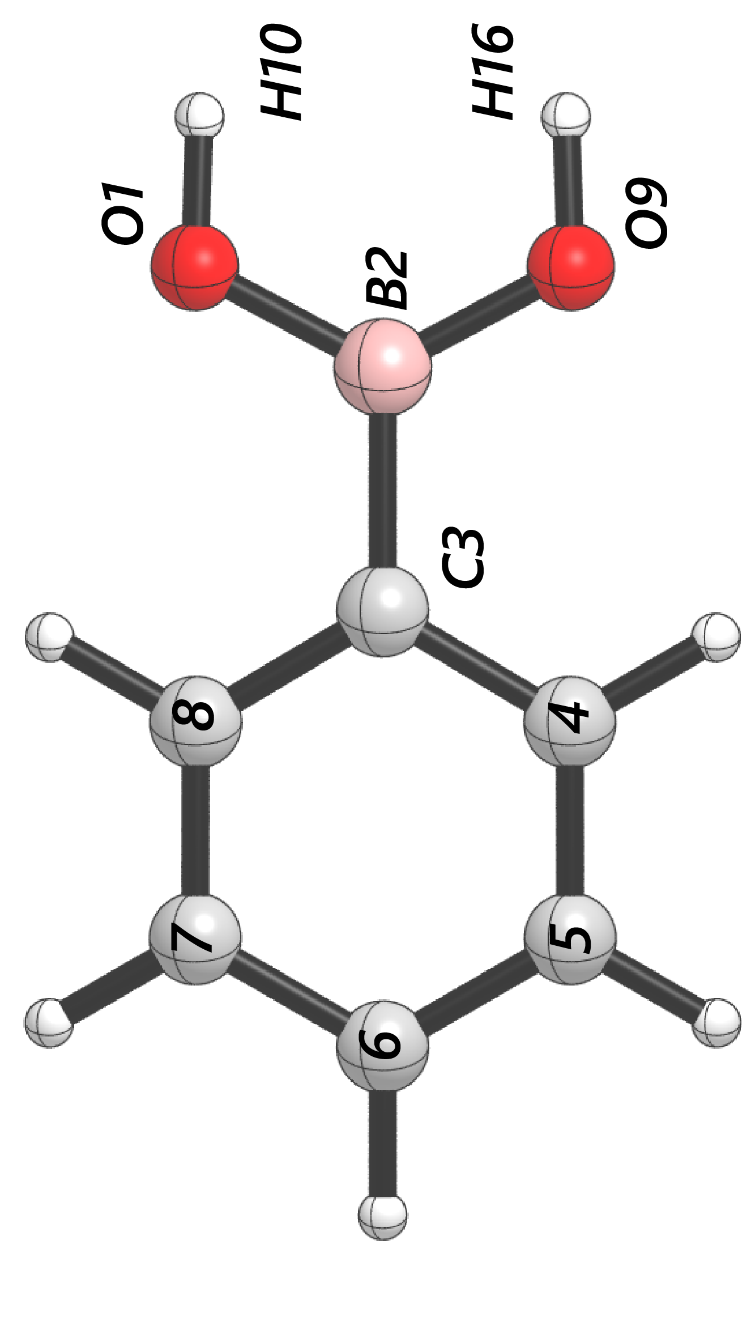
 | cross | para | -2-3- | -1-2- | -2-9- | -9-16- | -1-10- | Dist(2, 3) | Dist(1, 2) | Dist(2, 9) | Dist(9, 16) | Dist(1, 10) | dip_x | dip_y | dip_z | Total | NBO O 1 | NBO B 2 | NBO C 3 | NBO O 9 | NBO H 10 | NBO H 16 | diff O1 B2 | diff B2 C3 | diff B2 O9 | diff O1 H10 | diff O9 H16 | B1 | B5 | L
Ph | 1647.7123 | 1677.4351 | 1389.1923 | 1412.9731 | 1412.9731 | 3905.9425 | 3909.9109 | 1.561075001 | 1.368333468 | 1.36837316 | 0.959838412 | 0.959829838 | -1.4675 | -1.8055 | -0.0007 | 2.3267 | -0.89117 | 1.11947 | -0.40531 | -0.89114 | 0.4822 | 0.48217 | 2.01064 | 1.52478 | 2.01061 | 1.37337 | 1.37331 | 1.72 | 3.14 | 6.84
3-F | 1658.88 | 1685.7712 | 1386.416 | 1418.8028 | 1418.8028 | 3911.2812 | 3907.0575 | 1.563500133 | 1.366560173 | 1.366564054 | 0.959872777 | 0.959942852 | -0.0853 | 3.4937 | 0.4422 | 3.5225 | -0.88955 | 1.11964 | -0.37929 | -0.88996 | 0.48405 | 0.48432 | 2.00919 | 1.49893 | 2.0096 | 1.3736 | 1.37428 | 1.72 | 3.7 | 6.85
3-CH3 | 1680.7123 | 1655.0976 | 1387.5073 | 1406.7273 | 1387.5073 | 3904.0032 | 3910.2489 | 1.560033806 | 1.369258796 | 1.369284014 | 0.960067355 | 0.959736742 | 0.3237 | -0.8535 | -1.9015 | 2.1093 | -0.89107 | 1.12025 | -0.3983 | -0.89167 | 0.48154 | 0.4817 | 2.01132 | 1.51855 | 2.01192 | 1.37261 | 1.37337 | 1.76 | 4.38 | 6.83
3-CF3 | 1645.0255 | 1677.5389 | 1411.6705 | 1419.5614 | 1419.5614 | 3911.3661 | 3906.7278 | 1.560629363 | 1.368323018 | 1.368231633 | 0.959763631 | 0.959895806 | -1.4443 | 1.894 | -0.0017 | 2.3819 | -0.89059 | 1.11958 | -0.40337 | -0.89117 | 0.48263 | 0.48261 | 2.01017 | 1.52295 | 2.01075 | 1.37322 | 1.37378 | 1.72 | 4.12 | 8.96
3,5-F | 1662.4858 | 1687.3992 | 1427.3384 | 1427.3384 | 1427.3384 | 3911.5069 | 3906.62 | 1.564253932 | 1.365943777 | 1.365231696 | 0.959889896 | 0.96005673 | 0.9455 | -0.0103 | -4.7139 | 4.8078 | -0.88983 | 1.11966 | -0.39421 | -0.88876 | 0.48554 | 0.48585 | 2.00949 | 1.51387 | 2.00842 | 1.37537 | 1.37461 | 1.93 | 4.91 | 7
3,5-Ome | 1693.6079 | 1669.703 | 1423.9431 | 1423.9431 | 1416.195 | 3909.5177 | 3905.1719 | 1.566081976 | 1.364938748 | 1.364928039 | 0.959984463 | 0.95998512 | 0.6207 | 0.0076 | -4.1121 | 4.1587 | -0.88849 | 1.12013 | -0.35422 | -0.88849 | 0.4862 | 0.4862 | 2.00862 | 1.47435 | 2.00862 | 1.37469 | 1.37469 | 1.72 | 3.68 | 6.85
2-Napht | 1664.2705 | 1676.3405 | 1410.3731 | 1410.3731 | 1356.0613 | 3910.8756 | 1356.0613 | 1.562838551 | 1.369239006 | 1.367281956 | 0.959740918 | 0.959836419 | -0.3345 | 0.4667 | 2.1658 | 2.2406 | -0.89265 | 1.12212 | -0.35995 | -0.88914 | 0.4819 | 0.48176 | 2.01477 | 1.48207 | 2.01126 | 1.37455 | 1.3709 | 1.89 | 5.32 | 7.56
2-F | 1649.4968 | 1686.4872 | 1384.0798 | 1421.5905 | 1421.5905 | 3902.7398 | 3910.2234 | 1.566595611 | 1.369874247 | 1.362045863 | 0.96024771 | 0.959743829 | -0.1041 | 2.1615 | 0.4959 | 2.22 | -0.89326 | 1.11757 | -0.46656 | -0.87468 | 0.48381 | 0.48092 | 2.01083 | 1.58413 | 1.99225 | 1.37707 | 1.3556 | 1.72 | 3.7 | 6.86
2-CH3 | 1673.5901 | 1640.7589 | 1381.4063 | 1400.2804 | 1381.4063 | 3899.1068 | 3911.2168 | 1.566264211 | 1.371287743 | 1.369801473 | 0.960392857 | 0.959597854 | 0.479 | -0.0147 | -2.4647 | 2.5108 | -0.89424 | 1.11864 | -0.4099 | -0.89375 | 0.48122 | 0.48183 | 2.01288 | 1.52854 | 2.01239 | 1.37546 | 1.37558 | 1.77 | 4.29 | 6.84
2,4-Me | 1682.7974 | 1628.7868 | 1380.427 | 1392.7265 | 1380.427 | 3911.4155 | 3900.3615 | 1.563370444 | 1.370640047 | 1.372207954 | 0.959543554 | 0.960354723 | -0.8911 | 0.0103 | -1.8548 | 2.0578 | -0.89425 | 1.11821 | -0.42214 | -0.89469 | 0.48115 | 0.48049 | 2.01246 | 1.54035 | 2.0129 | 1.3754 | 1.37518 | 1.87 | 4.29 | 7.78
4-F | 1659.1494 | 1678.6101 | 1390.188 | 1390.188 | 1408.8135 | 3910.4667 | 3906.4315 | 1.558977914 | 1.368081292 | 1.368063031 | 0.959810582 | 0.95984005 | 0.0105 | 3.8783 | -0.011 | 3.8783 | -0.89142 | 1.11889 | -0.4234 | -0.89142 | 0.48335 | 0.48335 | 2.01031 | 1.54229 | 2.01031 | 1.37477 | 1.37477 | 1.72 | 3.14 | 7.42
4-Me | 1685.9538 | 1633.9771 | 1390.5301 | 1405.7226 | 1390.5301 | 3906.5402 | 3910.4422 | 1.558505887 | 1.369204406 | 1.369235192 | 0.959780929 | 0.959769848 | 0.2358 | -0.0438 | -1.8527 | 1.8681 | -0.89162 | 1.11911 | -0.41711 | -0.89163 | 0.48141 | 0.48141 | 2.01073 | 1.53622 | 2.01074 | 1.37303 | 1.37304 | 1.82 | 3.14 | 7.78
4-Ome | 1640.5115 | 1680.0817 | 1406.6982 | 1406.6982 | 1391.553 | 3907.6691 | 3911.5822 | 1.55455366 | 1.370420415 | 1.37013383 | 0.959725615 | 0.959683006 | -0.2148 | -1.3663 | 1.4664 | 2.0157 | -0.89288 | 1.11736 | -0.44232 | -0.89227 | 0.48086 | 0.48093 | 2.01024 | 1.55968 | 2.00963 | 1.37374 | 1.3732 | 1.78 | 3.16 | 8.9
4-t-Bu | 1626.1836 | 1684.1376 | 1391.6329 | 1408.217 | 1391.6329 | 3906.3431 | 3910.2838 | 1.558551068 | 1.369173522 | 1.369220944 | 0.959795356 | 0.959778076 | 0.1331 | -0.0178 | -1.9008 | 1.9056 | -0.89139 | 1.11989 | -0.41456 | -0.89143 | 0.48145 | 0.48146 | 2.01128 | 1.53445 | 2.01132 | 1.37284 | 1.37289 | 2.73 | 3.22 | 9.03
4-CF3 | 1694.5479 | 1645.9209 | 1395.1827 | 1415.7953 | 1395.1827 | 3904.4586 | 3908.6792 | 1.565385523 | 1.365695158 | 1.365733708 | 0.96001347 | 0.960020889 | 1.0422 | 0.0444 | -5.3753 | 5.4756 | -0.88935 | 1.11965 | -0.382 | -0.88936 | 0.48561 | 0.48563 | 2.009 | 1.50165 | 2.00901 | 1.37496 | 1.37499 | 2.11 | 3.14 | 8.14

BA + Cyclopentanone
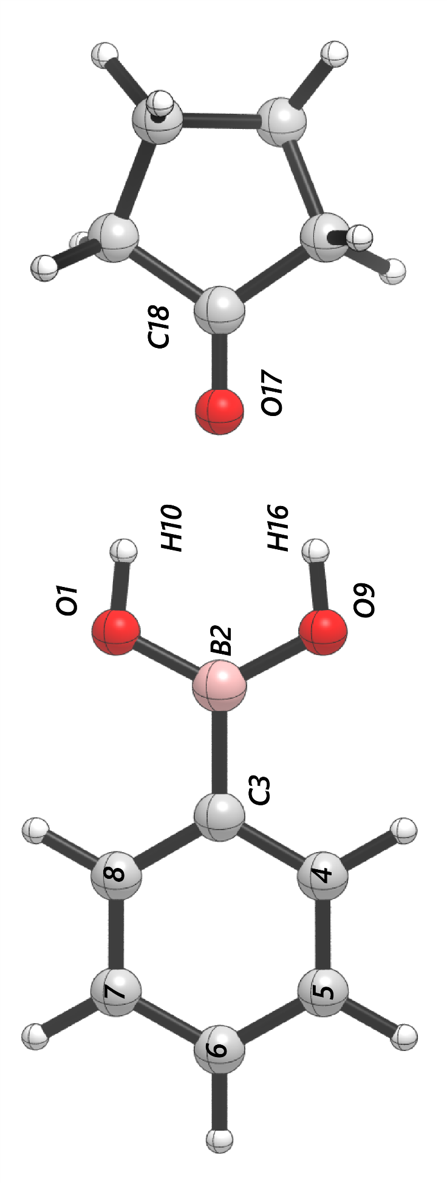
 | cross | para | -2-3- | -1-2- | -2-9- | -9-16- | -1-10- | -17-18- | Dist(2, 3) | Dist(1, 2) | Dist(2, 9) | Dist(9, 16) | Dist(1, 10) | Dist(17, 18) | Dist(10, 17) | Dist(16, 17) | dip_x | dip_y | dip_z | Total | NBO O 1 | NBO B 2 | NBO C 3 | NBO O 9 | NBO H 10 | NBO H 16 | NBO O 17 | NBO C 18 | diff O1 B2 | diff B2 C3 | diff B2 O9 | diff O1 H10 | diff O9 H16 | diff O17 C18 | B1 | B5 | L
Ph | 1647.2164 | 1677.0502 | 1412.3863 | 1412.3863 | 1419.867 | 3810.1665 | 3834.7667 | 1849.1161 | 1.566711492 | 1.366653142 | 1.36658508 | 0.965401657 | 0.965330109 | 1.207146843 | 2.01957859 | 2.019487858 | -3.2539 | 7.2609 | 0.0002 | 7.9567 | -0.91043 | 1.11254 | -0.39084 | -0.91043 | 0.50504 | 0.50506 | -0.60447 | 0.64651 | 2.02297 | 1.50338 | 2.02297 | 1.41547 | 1.41549 | 1.25098 | 1.72 | 3.14 | 6.85
3-F | 1657.702 | 1684.6597 | 1487.1325 | 1426.6344 | 1426.6344 | 3830.2551 | 3805.6111 | 1848.1126 | 1.569194994 | 1.36480762 | 1.364848373 | 0.965653882 | 0.965758008 | 1.207494311 | 2.014633987 | 2.011037844 | 4.4436 | -7.8853 | 0.0533 | 9.0513 | -0.90873 | 1.11226 | -0.36444 | -0.90928 | 0.50669 | 0.50696 | -0.60703 | 0.64775 | 2.02099 | 1.4767 | 2.02154 | 1.41542 | 1.41624 | 1.25478 | 1.72 | 3.7 | 6.85
3-CH3 | 1677.6322 | 1655.7112 | 1420.9571 | 1405.9887 | 1420.9571 | 3836.7836 | 3813.0266 | 1849.4965 | 1.566728199 | 1.366692833 | 1.367022966 | 0.965240597 | 0.965300269 | 1.207085506 | 2.020172359 | 2.020714084 | 3.9109 | -6.7908 | 0.0783 | 7.8368 | -0.9103 | 1.11323 | -0.38209 | -0.91094 | 0.50469 | 0.50472 | -0.60398 | 0.64627 | 2.02353 | 1.49532 | 2.02417 | 1.41499 | 1.41566 | 1.25025 | 1.76 | 4.25 | 6.89
3-CF3 | 1644.9079 | 1706.8855 | 1433.1937 | 1425.5913 | 1425.5913 | 3808.8844 | 3834.5129 | 1848.8136 | 1.566675277 | 1.366434219 | 1.366195621 | 0.965652853 | 0.965265034 | 1.207252667 | 2.02841477 | 2.006906991 | 3.0546 | -7.623 | 0.8352 | 8.2546 | -0.90981 | 1.11277 | -0.3877 | -0.91024 | 0.5054 | 0.50584 | -0.6052 | 0.64687 | 2.02258 | 1.50047 | 2.02301 | 1.41521 | 1.41608 | 1.25207 | 1.72 | 4.35 | 8.97
3,5-F | 1682.8686 | 1664.2232 | 1434.178 | 1412.8975 | 1434.178 | 3800.4901 | 3827.3081 | 1847.4164 | 1.569972134 | 1.364162622 | 1.363323791 | 0.966036159 | 0.965818208 | 1.207760912 | 2.022692248 | 2.000702462 | -3.3412 | 9.4548 | 0.043 | 10.0279 | -0.90835 | 1.11252 | -0.37836 | -0.90827 | 0.50813 | 0.50835 | -0.60886 | 0.64856 | 2.02087 | 1.49088 | 2.02079 | 1.41648 | 1.41662 | 1.25742 | 1.9 | 4.78 | 7.46
3,5-Ome | 1668.0429 | 1693.8695 | 1425.9346 | 1430.1285 | 1430.1285 | 3825.1514 | 3799.009 | 1846.6384 | 1.571588241 | 1.36313466 | 1.363206712 | 0.966039699 | 0.966041536 | 1.207851187 | 2.005957412 | 2.006073705 | -4.0904 | 9.0486 | 0.0646 | 9.9304 | -0.90759 | 1.11219 | -0.33907 | -0.9076 | 0.50852 | 0.50851 | -0.60958 | 0.64905 | 2.01978 | 1.45126 | 2.01979 | 1.41611 | 1.41611 | 1.25863 | 1.72 | 3.69 | 6.86
2-Napht | 1671.939 | 1662.7094 | 1420.7664 | 1417.6194 | 1417.6194 | 3809.8898 | 3834.6355 | 1849.0809 | 1.568099601 | 1.366766333 | 1.366695994 | 0.965371447 | 0.965346083 | 1.207170087 | 2.018823028 | 2.017512652 | -4.0731 | 8.8679 | 0.1376 | 9.7595 | -0.91133 | 1.11458 | -0.34383 | -0.91138 | 0.50527 | 0.50526 | -0.60501 | 0.64677 | 2.02591 | 1.45841 | 2.02596 | 1.4166 | 1.41664 | 1.25178 | 1.89 | 5.33 | 6.83
2-F | 1649.257 | 1685.3355 | 1404.1735 | 1427.8747 | 1427.8747 | 3832.7032 | 3804.0382 | 1849.1137 | 1.572967647 | 1.360213351 | 1.368196963 | 0.965298218 | 0.965999922 | 1.207212968 | 2.008263675 | 2.017483125 | -3.6938 | 6.5666 | -0.3927 | 7.5444 | -0.89458 | 1.11092 | -0.45219 | -0.91267 | 0.50383 | 0.50713 | -0.60578 | 0.64738 | 2.0055 | 1.56311 | 2.02359 | 1.39841 | 1.4198 | 1.25316 | 1.72 | 3.7 | 6.87
2-CH3 | 1641.4065 | 1673.3483 | 1408.5156 | 1404.2801 | 1408.5156 | 3804.801 | 3833.1711 | 1849.3258 | 1.572246358 | 1.369255148 | 1.36800708 | 0.965925805 | 0.965127878 | 1.207130573 | 2.012675297 | 2.008515536 | 3.9594 | -7.1931 | -0.215 | 8.2137 | -0.91403 | 1.11194 | -0.39568 | -0.91414 | 0.50485 | 0.5059 | -0.60513 | 0.64716 | 2.02597 | 1.50762 | 2.02608 | 1.41888 | 1.42004 | 1.25229 | 1.77 | 4.29 | 6.85
2,4-Me | 1633.1485 | 1682.3994 | 1403.6213 | 1403.6213 | 1399.5639 | 3807.59 | 3835.7405 | 1849.5447 | 1.569878113 | 1.370020051 | 1.368770087 | 0.965788 | 0.964905804 | 1.207033276 | 2.015947455 | 2.014130597 | 3.5939 | -6.9272 | -0.1544 | 7.8056 | -0.91453 | 1.11203 | -0.40677 | -0.91447 | 0.50418 | 0.50536 | -0.60416 | 0.64661 | 2.02656 | 1.5188 | 2.0265 | 1.41871 | 1.41983 | 1.25077 | 1.84 | 4.29 | 7.79
4-F | 1660.1582 | 1677.594 | 1413.4201 | 1413.4201 | 1413.012 | 3807.1784 | 3832.1398 | 1848.4705 | 1.564839957 | 1.366325371 | 1.366304937 | 0.965603671 | 0.965484982 | 1.207334278 | 2.017541323 | 2.017626122 | 3.9186 | -8.7304 | -0.008 | 9.5695 | -0.91059 | 1.11217 | -0.40905 | -0.91061 | 0.50604 | 0.50606 | -0.60608 | 0.64723 | 2.02276 | 1.52122 | 2.02278 | 1.41663 | 1.41667 | 1.25331 | 1.72 | 3.14 | 7.43
4-Me | 1633.856 | 1685.6189 | 1414.3278 | 1411.3261 | 1411.3261 | 3836.371 | 3812.1182 | 1849.7763 | 1.56446597 | 1.367346851 | 1.367390891 | 0.965220793 | 0.965270807 | 1.206975414 | 2.021466351 | 2.021899369 | -3.0776 | 6.8907 | -0.1016 | 7.5474 | -0.91091 | 1.11255 | -0.40222 | -0.91089 | 0.50444 | 0.50443 | -0.60355 | 0.6461 | 2.02346 | 1.51477 | 2.02344 | 1.41535 | 1.41532 | 1.24965 | 1.71 | 3.14 | 7.79
4-Ome | 1641.3167 | 1679.6616 | 1415.279 | 1410.327 | 1410.327 | 3814.7598 | 3838.6629 | 1849.5371 | 1.5609922 | 1.368127205 | 1.368278499 | 0.96516294 | 0.965031176 | 1.206972435 | 2.028436432 | 2.018649085 | 1.6748 | -7.2583 | -0.006 | 7.4491 | -0.91122 | 1.1115 | -0.42687 | -0.91243 | 0.50401 | 0.50415 | -0.60298 | 0.64577 | 2.02272 | 1.53837 | 2.02393 | 1.41523 | 1.41658 | 1.24875 | 1.78 | 3.16 | 8.91
4-t-Bu | 1626.7039 | 1684.0988 | 1415.2834 | 1412.505 | 1412.505 | 3836.009 | 3811.6904 | 1849.7394 | 1.564655484 | 1.367207004 | 1.367190339 | 0.965205244 | 0.965334532 | 1.206983372 | 2.019835283 | 2.024116615 | -3.1768 | 6.9885 | 0.0629 | 7.6769 | -0.9107 | 1.11322 | -0.39912 | -0.91046 | 0.50451 | 0.50445 | -0.60366 | 0.6461 | 2.02392 | 1.51234 | 2.02368 | 1.41521 | 1.41491 | 1.24976 | 2.73 | 3.22 | 9.04
4-CF3 | 1645.0937 | 1692.822 | 1416.2211 | 1420.1282 | 1420.1282 | 3800.3036 | 3826.1809 | 1846.4898 | 1.570920396 | 1.363932997 | 1.363884093 | 0.965969979 | 0.965938456 | 1.207849453 | 2.006849785 | 2.008425338 | 4.647 | -10.3162 | -0.001 | 11.3145 | -0.90853 | 1.11182 | -0.36642 | -0.90846 | 0.50815 | 0.50815 | -0.60929 | 0.64884 | 2.02035 | 1.47824 | 2.02028 | 1.41668 | 1.41661 | 1.25813 | 1.93 | 3.14 | 8.15

BA - Proline (close)
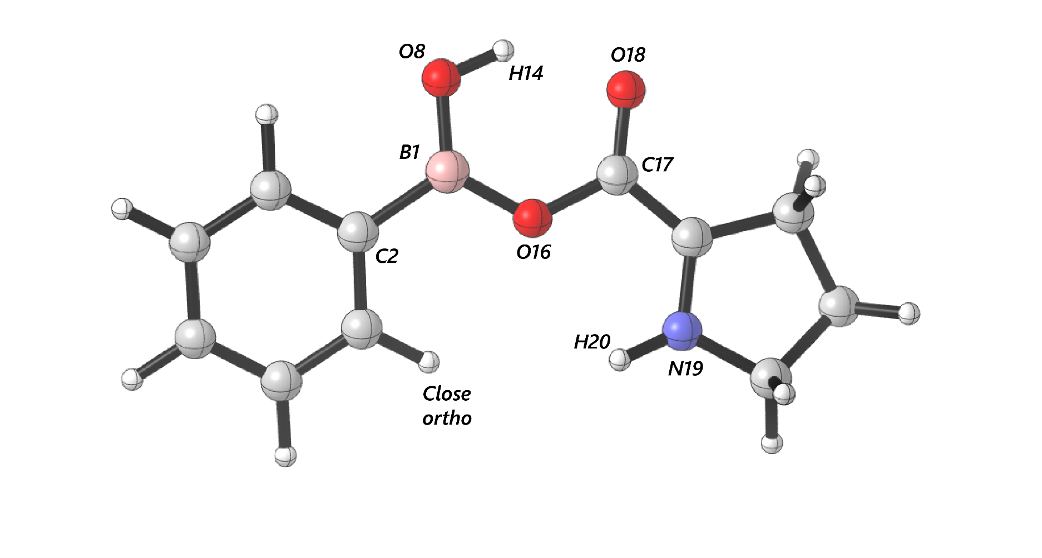
 | cross | para | -1-2- | -1-8- | -1-16- | -8-14- | -16-17- | -17-18- | -19-20- | Dist(1, 2) | Dist(1, 8) | Dist(1, 16) | Dist(8, 14) | Dist(16, 17) | Dist(17, 18) | Dist(19, 20) | Dist(14, 18) | dip_x | dip_y | dip_z | Total | NBO B 1 | NBO C 2 | NBO O 8 | NBO O 16 | NBO H 14 | NBO C 17 | NBO O 18 | NBO N 19 | NBO H 20 | diff B1 C2 | diff B1 O8 | diff B1 O16 | diff O8 H14 | diff O16 C17 | diff C17 O18 | diff H14 O18 | diff N19 H20 | B1 | B5 | L
Ph | 1676.7445 | 1646.9838 | 1646.9838 | 1421.2287 | 1421.2287 | 3671.3856 | 1738.8716 | 1738.8716 | 1586.6948 | 1.562127277 | 1.346474675 | 1.398358931 | 0.973217247 | 1.370553848 | 1.2286 | 1.007645721 | 1.860223742 | -5.7043 | 1.1125 | -0.2971 | 5.8193 | 0.56716 | -0.1994 | -0.44705 | -0.35732 | 0.26291 | 0.37145 | -0.21601 | -0.13109 | 0.20564 | 0.76656 | 1.01421 | 0.92448 | 0.70996 | 0.72877 | 0.58746 | 0.47892 | 0.33673 | 1.7 | 3.19 | 6.84
3-F | 1685.0352 | 1657.4138 | 1363.0897 | 1414.9709 | 1414.9709 | 3669.1673 | 1740.9998 | 1740.9998 | 1586.8188 | 1.564864205 | 1.345257317 | 1.395831182 | 0.973506821 | 1.372762984 | 1.2285 | 1.00748128 | 1.861356025 | 4.4864 | -1.5586 | -0.7553 | 4.8091 | 0.56718 | -0.1859 | -0.44603 | -0.35806 | 0.26346 | 0.37205 | -0.21434 | -0.129 | 0.20557 | 0.75308 | 1.01321 | 0.92524 | 0.70949 | 0.73011 | 0.58639 | 0.4778 | 0.33457 | 1.7 | 3.66 | 6.85
3-CH3 | 1678.8196 | 1652.9183 | 1652.9183 | 1409.8661 | 1360.8575 | 3677.7328 | 1738.1056 | 1738.1056 | 1586.5508 | 1.561839636 | 1.346687351 | 1.398852115 | 0.97292161 | 1.36999073 | 1.2286 | 1.007676153 | 1.862719082 | 5.9459 | -0.2709 | -0.8415 | 6.0113 | 0.56749 | -0.19565 | -0.44699 | -0.35729 | 0.26272 | 0.37123 | -0.21629 | -0.13169 | 0.20569 | 0.76314 | 1.01448 | 0.92478 | 0.70971 | 0.72852 | 0.58752 | 0.47901 | 0.33738 | 1.72 | 4.34 | 6.83
3-CF3 | 1707.2616 | 1645.4898 | 1356.4087 | 1421.462 | 1432.7054 | 3672.322 | 1739.025 | 1739.025 | 3649.8596 | 1.561929332 | 1.346474627 | 1.397924485 | 0.973264515 | 1.370618942 | 1.228641764 | 1.007659211 | 1.85927354 | -5.8216 | -0.2661 | 0.3201 | 5.8364 | 0.57022 | -0.17662 | -0.44935 | -0.36176 | 0.2626 | 0.37173 | -0.21362 | -0.12976 | 0.20713 | 0.74684 | 1.01957 | 0.93198 | 0.71195 | 0.73349 | 0.58535 | 0.47622 | 0.33689 | 1.7 | 4.31 | 8.98
3,5-F | 1663.5896 | 1685.5853 | 1491.1487 | 1417.84 | 1385.3766 | 3665.372 | 1743.7437 | 1743.7437 | 3651.9026 | 1.565652225 | 1.344976554 | 1.39368773 | 0.973820815 | 1.374278174 | 1.2285 | 1.007621898 | 1.862225037 | -1.1302 | -3.8994 | 0.8416 | 4.1462 | 0.56735 | -0.19268 | -0.44599 | -0.35837 | 0.26398 | 0.37274 | -0.21337 | -0.12703 | 0.2058 | 0.76003 | 1.01334 | 0.92572 | 0.70997 | 0.73111 | 0.58611 | 0.47735 | 0.33283 | 1.95 | 4.82 | 7.45
3,5-Ome | 1693.8481 | 1668.1195 | 1492.9563 | 1431.1751 | 1431.1751 | 3667.9878 | 1743.1987 | 1743.1987 | 1587.1646 | 1.567468373 | 1.344269296 | 1.393362476 | 0.973689114 | 1.374742012 | 1.2282 | 1.007416423 | 1.860966641 | 5.765 | -2.8847 | -0.7548 | 6.4905 | 0.56729 | -0.17315 | -0.44524 | -0.35832 | 0.26407 | 0.37216 | -0.2125 | -0.12819 | 0.2054 | 0.74044 | 1.01253 | 0.92561 | 0.70931 | 0.73048 | 0.58466 | 0.47657 | 0.33359 | 1.7 | 3.73 | 6.85
2-Napht | 1683.0777 | 1653.7927 | 1653.7927 | 1423.706 | 1423.706 | 3677.2904 | 1739.3739 | 1739.3739 | 1587.195 | 1.56499492 | 1.345740376 | 1.397203471 | 0.973046289 | 1.370051667 | 1.2287 | 1.007787532 | 1.865648879 | 5.7165 | 1.9501 | -0.8432 | 6.0985 | 0.56893 | -0.17648 | -0.4461 | -0.35705 | 0.26273 | 0.3717 | -0.21656 | -0.12997 | 0.20644 | 0.74541 | 1.01503 | 0.92598 | 0.70883 | 0.72875 | 0.58826 | 0.47929 | 0.33641 | 1.9 | 4.58 | 7.6
2-F | 1647.7292 | 1687.8518 | 1413.8137 | 1413.8137 | 1370.9009 | 3666.2231 | 1586.2024 | 1745.9684 | 3628.936 | 1.567440774 | 1.347717144 | 1.385889209 | 0.973673344 | 1.37222485 | 1.2288 | 1.009592002 | 1.877744711 | -2.715 | -3.7519 | 0.115 | 4.6327 | 0.56696 | -0.22879 | -0.44747 | -0.35422 | 0.26378 | 0.37407 | -0.21611 | -0.12327 | 0.21214 | 0.79575 | 1.01443 | 0.92118 | 0.71125 | 0.72829 | 0.59018 | 0.47989 | 0.33541 | 1.7 | 3.71 | 6.86
2-CH3 | 1641.4617 | 1672.9086 | 1406.7799 | 1406.7799 | 1406.7799 | 3661.5657 | 1739.4563 | 1739.4563 | 1587.06 | 1.568895988 | 1.348861631 | 1.397871486 | 0.973263341 | 1.371825226 | 1.2287 | 1.008424801 | 1.841841595 | -5.825 | 1.239 | -0.2897 | 5.9624 | 0.5657 | -0.20018 | -0.44948 | -0.35938 | 0.26295 | 0.37246 | -0.21448 | -0.13198 | 0.2078 | 0.76588 | 1.01518 | 0.92508 | 0.71243 | 0.73184 | 0.58694 | 0.47743 | 0.33978 | 1.77 | 4.27 | 6.84
2,4-Me | 1682.9373 | 1631.7001 | 1631.7001 | 1406.7477 | 1406.7477 | 3670.2462 | 1737.4408 | 1737.4408 | 1587.0289 | 1.566243487 | 1.349401023 | 1.39891914 | 0.97297241 | 1.371124783 | 1.2288 | 1.008501106 | 1.844522404 | -5.8329 | 0.3238 | -0.3614 | 5.853 | 0.56564 | -0.20628 | -0.44979 | -0.35914 | 0.26273 | 0.37234 | -0.2152 | -0.13248 | 0.20789 | 0.77192 | 1.01543 | 0.92478 | 0.71252 | 0.73148 | 0.58754 | 0.47793 | 0.34037 | 1.78 | 4.27 | 7.77
4-F | 1677.9794 | 1659.123 | 1458.0128 | 1418.7166 | 1418.7166 | 3674.6059 | 1739.2443 | 1739.2443 | 3650.776 | 1.560301025 | 1.346588087 | 1.397804922 | 0.973147772 | 1.371550253 | 1.228465072 | 1.007536498 | 1.860731407 | -5.7758 | 2.2617 | -0.2955 | 6.2099 | 0.56686 | -0.20833 | -0.44724 | -0.35781 | 0.26325 | 0.37145 | -0.21506 | -0.13089 | 0.20522 | 0.77519 | 1.0141 | 0.92467 | 0.71049 | 0.72926 | 0.58651 | 0.47831 | 0.33611 | 1.7 | 3.18 | 7.42
4-Me | 1685.388 | 1633.7812 | 1633.7812 | 1419.8371 | 1419.8371 | 3679.5382 | 1737.3139 | 1737.3139 | 3649.7828 | 1.559543279 | 1.347152066 | 1.399418354 | 0.972809282 | 1.369627227 | 1.2287 | 1.007642739 | 1.86312382 | -5.7309 | 0.0733 | -0.3101 | 5.7397 | 0.56702 | -0.20537 | -0.44734 | -0.35707 | 0.26266 | 0.37127 | -0.21681 | -0.13164 | 0.20569 | 0.77239 | 1.01436 | 0.92409 | 0.71 | 0.72834 | 0.58808 | 0.47947 | 0.33733 | 1.71 | 3.18 | 7.78
4-Ome | 1678.7558 | 1639.277 | 1639.277 | 1416.4868 | 1416.4868 | 3680.8277 | 1736.6688 | 1736.6688 | 3651.2111 | 1.555577529 | 1.348193043 | 1.400670439 | 0.972740176 | 1.368955343 | 1.2288 | 1.007626856 | 1.861462844 | -4.5294 | -0.3307 | -0.398 | 4.5589 | 0.56612 | -0.21836 | -0.44833 | -0.35684 | 0.26252 | 0.37126 | -0.2176 | -0.13188 | 0.20561 | 0.78448 | 1.01445 | 0.92296 | 0.71085 | 0.7281 | 0.58886 | 0.48012 | 0.33749 | 1.78 | 3.21 | 8.89
4-t-Bu | 1626.4555 | 1683.2903 | 1418.7791 | 1418.7791 | 1360.6394 | 3676.7842 | 1738.7377 | 1738.7377 | 3648.8366 | 1.559594309 | 1.347074983 | 1.399410797 | 0.972874514 | 1.369710878 | 1.2287 | 1.007626389 | 1.862721608 | -3.8811 | -4.1807 | 0.6345 | 5.7397 | 0.5674 | -0.20429 | -0.44724 | -0.35697 | 0.26266 | 0.37125 | -0.21672 | -0.13159 | 0.20567 | 0.77169 | 1.01464 | 0.92437 | 0.7099 | 0.72822 | 0.58797 | 0.47938 | 0.33726 | 2.77 | 3.2 | 9
4-CF3 | 1645.6609 | 1693.4869 | 1421.0378 | 1421.0378 | 1356.7836 | 3666.8575 | 1743.3081 | 1743.3081 | 3650.8765 | 1.566734751 | 1.34476962 | 1.394570991 | 0.973608243 | 1.374060333 | 1.2283 | 1.007530928 | 1.860099841 | -1.0651 | -6.8764 | 0.594 | 6.9837 | 0.56709 | -0.18741 | -0.44577 | -0.35835 | 0.26393 | 0.37192 | -0.21276 | -0.12913 | 0.20517 | 0.7545 | 1.01286 | 0.92544 | 0.7097 | 0.73027 | 0.58468 | 0.47669 | 0.3343 | 2.1 | 3.19 | 8.13

BA - Proline (far)
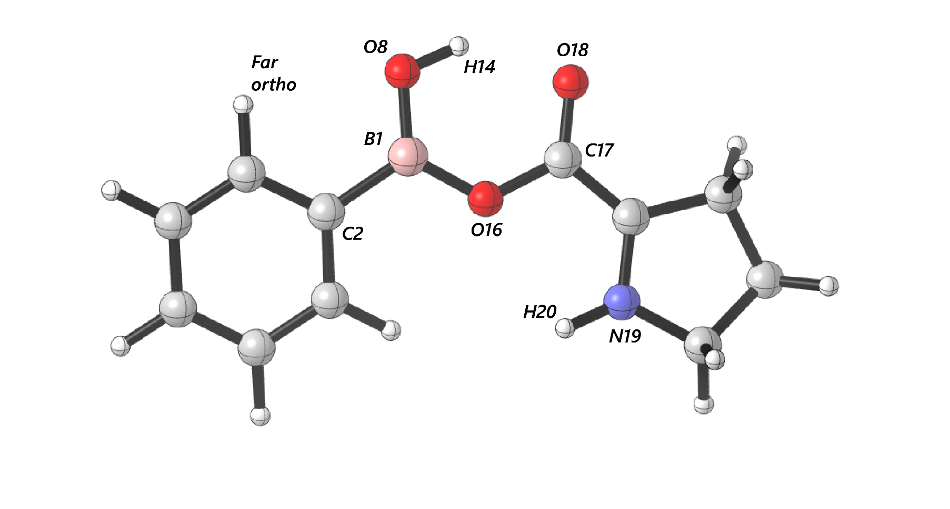
 | cross | para | -1-2- | -1-8- | -1-16- | -8-14- | -16-17- | -17-18- | -19-20- | Dist(1, 2) | Dist(1, 8) | Dist(1, 16) | Dist(8, 14) | Dist(16, 17) | Dist(17, 18) | Dist(19, 20) | Dist(14, 18) | dip_x | dip_y | dip_z | Total | NBO B 1 | NBO C 2 | NBO O 8 | NBO O 16 | NBO H 14 | NBO C 17 | NBO O 18 | NBO N 19 | NBO H 20 | diff B1 C2 | diff B1 O8 | diff B1 O16 | diff O8 H14 | diff O16 C17 | diff C17 O18 | diff H14 O18 | diff N19 H20 | B1 | B5 | L
Ph | 1676.7445 | 1646.9838 | 1646.9838 | 1421.2287 | 1421.2287 | 3671.3856 | 1738.8716 | 1738.8716 | 1586.6948 | 1.562127277 | 1.346474675 | 1.398358931 | 0.973217247 | 1.370553848 | 1.2286 | 1.007645721 | 1.860223742 | -5.7043 | 1.1125 | -0.2971 | 5.8193 | 0.56716 | -0.1994 | -0.44705 | -0.35732 | 0.26291 | 0.37145 | -0.21601 | -0.13109 | 0.20564 | 0.76656 | 1.01421 | 0.92448 | 0.70996 | 0.72877 | 0.58746 | 0.47892 | 0.33673 | 1.7 | 3.19 | 6.84
3-F | 1684.0999 | 1657.2891 | 1657.2891 | 1423.9594 | 1423.9594 | 3670.9136 | 1741.4523 | 1741.4523 | 1587.1366 | 1.564914898 | 1.345391499 | 1.395754279 | 0.973337467 | 1.372509157 | 1.22835845 | 1.007583136 | 1.861636508 | -6.9481 | 2.4726 | -0.1837 | 7.3772 | 0.56711 | -0.18605 | -0.44579 | -0.35794 | 0.26341 | 0.37166 | -0.21396 | -0.12992 | 0.20536 | 0.75316 | 1.0129 | 0.92505 | 0.7092 | 0.7296 | 0.58562 | 0.47737 | 0.33528 | 1.72 | 3.75 | 6.85
3-CH3 | 1678.1559 | 1653.8159 | 1461.657 | 1424.5374 | 1424.5374 | 3674.7683 | 1738.8097 | 1738.8097 | 1586.7898 | 1.561835347 | 1.346875009 | 1.398737692 | 0.973037462 | 1.369935519 | 1.228703108 | 1.007715755 | 1.861440768 | -5.3819 | 0.9988 | -0.3206 | 5.4832 | 0.56749 | -0.19555 | -0.44713 | -0.35721 | 0.26269 | 0.37137 | -0.2165 | -0.13136 | 0.20574 | 0.76304 | 1.01462 | 0.9247 | 0.70982 | 0.72858 | 0.58787 | 0.47919 | 0.3371 | 1.72 | 4.42 | 6.83
3-CF3 | 1676.3969 | 1644.8354 | 1644.8354 | 1423.5261 | 1423.5261 | 3678.8161 | 1739.0416 | 1739.0416 | 3648.3158 | 1.561497176 | 1.346692676 | 1.398213187 | 0.972959786 | 1.370894741 | 1.228537532 | 1.007648094 | 1.862913791 | -5.663 | 0.6859 | -0.1562 | 5.7065 | 0.57027 | -0.17988 | -0.45014 | -0.36168 | 0.26283 | 0.37166 | -0.2137 | -0.12959 | 0.20714 | 0.75015 | 1.02041 | 0.93195 | 0.71297 | 0.73334 | 0.58536 | 0.47653 | 0.33673 | 1.7 | 4.44 | 8.94
3,5-F | 1683.2789 | 1665.6822 | 1478.7596 | 1428.3262 | 1428.3262 | 3676.1538 | 1742.0421 | 1742.0421 | 1587.0987 | 1.565718623 | 1.34455389 | 1.394729305 | 0.973349522 | 1.374070724 | 1.228029331 | 1.007476745 | 1.863287149 | 7.8161 | -3.8452 | -0.6948 | 8.7384 | 0.56712 | -0.19289 | -0.44514 | -0.35863 | 0.2639 | 0.37167 | -0.21214 | -0.12916 | 0.20502 | 0.76001 | 1.01226 | 0.92575 | 0.70904 | 0.7303 | 0.58381 | 0.47604 | 0.33418 | 1.85 | 4.88 | 7.4
3,5-Ome | 1693.8481 | 1668.1195 | 1492.9563 | 1431.1751 | 1431.1751 | 3667.9878 | 1743.1987 | 1743.1987 | 1587.1646 | 1.567468373 | 1.344269296 | 1.393362476 | 0.973689114 | 1.374742012 | 1.2282 | 1.007416423 | 1.860966641 | 5.765 | -2.8847 | -0.7548 | 6.4905 | 0.56729 | -0.17315 | -0.44524 | -0.35832 | 0.26407 | 0.37216 | -0.2125 | -0.12819 | 0.2054 | 0.74044 | 1.01253 | 0.92561 | 0.70931 | 0.73048 | 0.58466 | 0.47657 | 0.33359 | 1.7 | 3.73 | 6.85
2-Napht | 1683.0777 | 1653.7927 | 1653.7927 | 1423.706 | 1423.706 | 3677.2904 | 1739.3739 | 1739.3739 | 1587.195 | 1.56499492 | 1.345740376 | 1.397203471 | 0.973046289 | 1.370051667 | 1.2287 | 1.007787532 | 1.865648879 | 5.7165 | 1.9501 | -0.8432 | 6.0985 | 0.56893 | -0.17648 | -0.4461 | -0.35705 | 0.26273 | 0.3717 | -0.21656 | -0.12997 | 0.20644 | 0.74541 | 1.01503 | 0.92598 | 0.70883 | 0.72875 | 0.58826 | 0.47929 | 0.33641 | 1.9 | 4.58 | 7.6
2-F | 1685.6977 | 1648.7521 | 1648.7521 | 1428.0226 | 1428.0226 | 3671.7268 | 1738.9415 | 1738.9415 | 3646.6265 | 1.568422731 | 1.341047207 | 1.399375642 | 0.973339921 | 1.371251522 | 1.22801242 | 1.007809922 | 1.862093135 | -6.5118 | -1.306 | 2.2385 | 7.0085 | 0.5662 | -0.22846 | -0.4386 | -0.35857 | 0.26237 | 0.37075 | -0.21384 | -0.13234 | 0.20559 | 0.79466 | 1.0048 | 0.92477 | 0.70097 | 0.72932 | 0.58459 | 0.47621 | 0.33793 | 1.7 | 3.7 | 6.86
2-CH3 | 1673.3561 | 1640.1184 | 1640.1184 | 1414.5022 | 1414.5022 | 3635.2297 | 1735.7353 | 1735.7353 | 1585.4886 | 1.566866765 | 1.347124827 | 1.402273935 | 0.97478373 | 1.368229034 | 1.2295 | 1.007922031 | 1.833484118 | 5.1966 | -1.6138 | -1.1424 | 5.5601 | 0.5661 | -0.20146 | -0.44969 | -0.35767 | 0.26344 | 0.37245 | -0.2179 | -0.13153 | 0.20598 | 0.76756 | 1.01579 | 0.92377 | 0.71313 | 0.73012 | 0.59035 | 0.48134 | 0.33751 | 1.75 | 4.31 | 6.84
2,4-Me | 1681.7187 | 1631.2748 | 1631.2748 | 1406.1964 | 1355.2948 | 3639.7325 | 1736.5398 | 1736.5398 | 3648.8323 | 1.564229158 | 1.34788685 | 1.403414044 | 0.974535346 | 1.367388697 | 1.2295 | 1.007845831 | 1.834268928 | -5.442 | 0.4802 | -0.5585 | 5.4916 | 0.56598 | -0.20734 | -0.45013 | -0.35728 | 0.26325 | 0.37231 | -0.21872 | -0.13207 | 0.20594 | 0.77332 | 1.01611 | 0.92326 | 0.71338 | 0.72959 | 0.59103 | 0.48197 | 0.33801 | 1.82 | 4.31 | 7.79
4-F | 1677.9794 | 1659.123 | 1458.0128 | 1418.7166 | 1418.7166 | 3674.6059 | 1739.2443 | 1739.2443 | 3650.776 | 1.560301025 | 1.346588087 | 1.397804922 | 0.973147772 | 1.371550253 | 1.228465072 | 1.007536498 | 1.860731407 | -5.7758 | 2.2617 | -0.2955 | 6.2099 | 0.56686 | -0.20833 | -0.44724 | -0.35781 | 0.26325 | 0.37145 | -0.21506 | -0.13089 | 0.20522 | 0.77519 | 1.0141 | 0.92467 | 0.71049 | 0.72926 | 0.58651 | 0.47831 | 0.33611 | 1.7 | 3.18 | 7.42
4-Me | 1685.388 | 1633.7812 | 1633.7812 | 1419.8371 | 1419.8371 | 3679.5382 | 1737.3139 | 1737.3139 | 3649.7828 | 1.559543279 | 1.347152066 | 1.399418354 | 0.972809282 | 1.369627227 | 1.2287 | 1.007642739 | 1.86312382 | -5.7309 | 0.0733 | -0.3101 | 5.7397 | 0.56702 | -0.20537 | -0.44734 | -0.35707 | 0.26266 | 0.37127 | -0.21681 | -0.13164 | 0.20569 | 0.77239 | 1.01436 | 0.92409 | 0.71 | 0.72834 | 0.58808 | 0.47947 | 0.33733 | 1.71 | 3.18 | 7.78
4-Ome | 1678.7558 | 1639.277 | 1639.277 | 1416.4868 | 1416.4868 | 3680.8277 | 1736.6688 | 1736.6688 | 3651.2111 | 1.555577529 | 1.348193043 | 1.400670439 | 0.972740176 | 1.368955343 | 1.2288 | 1.007626856 | 1.861462844 | -4.5294 | -0.3307 | -0.398 | 4.5589 | 0.56612 | -0.21836 | -0.44833 | -0.35684 | 0.26252 | 0.37126 | -0.2176 | -0.13188 | 0.20561 | 0.78448 | 1.01445 | 0.92296 | 0.71085 | 0.7281 | 0.58886 | 0.48012 | 0.33749 | 1.78 | 3.21 | 8.89
4-t-Bu | 1626.4555 | 1683.2903 | 1418.7791 | 1418.7791 | 1360.6394 | 3676.7842 | 1738.7377 | 1738.7377 | 3648.8366 | 1.559594309 | 1.347074983 | 1.399410797 | 0.972874514 | 1.369710878 | 1.2287 | 1.007626389 | 1.862721608 | -3.8811 | -4.1807 | 0.6345 | 5.7397 | 0.5674 | -0.20429 | -0.44724 | -0.35697 | 0.26266 | 0.37125 | -0.21672 | -0.13159 | 0.20567 | 0.77169 | 1.01464 | 0.92437 | 0.7099 | 0.72822 | 0.58797 | 0.47938 | 0.33726 | 2.77 | 3.2 | 9
4-CF3 | 1645.6609 | 1693.4869 | 1421.0378 | 1421.0378 | 1356.7836 | 3666.8575 | 1743.3081 | 1743.3081 | 3650.8765 | 1.566734751 | 1.34476962 | 1.394570991 | 0.973608243 | 1.374060333 | 1.2283 | 1.007530928 | 1.860099841 | -1.0651 | -6.8764 | 0.594 | 6.9837 | 0.56709 | -0.18741 | -0.44577 | -0.35835 | 0.26393 | 0.37192 | -0.21276 | -0.12913 | 0.20517 | 0.7545 | 1.01286 | 0.92544 | 0.7097 | 0.73027 | 0.58468 | 0.47669 | 0.3343 | 2.1 | 3.19 | 8.13

BA - Aldehyde (pi - close)
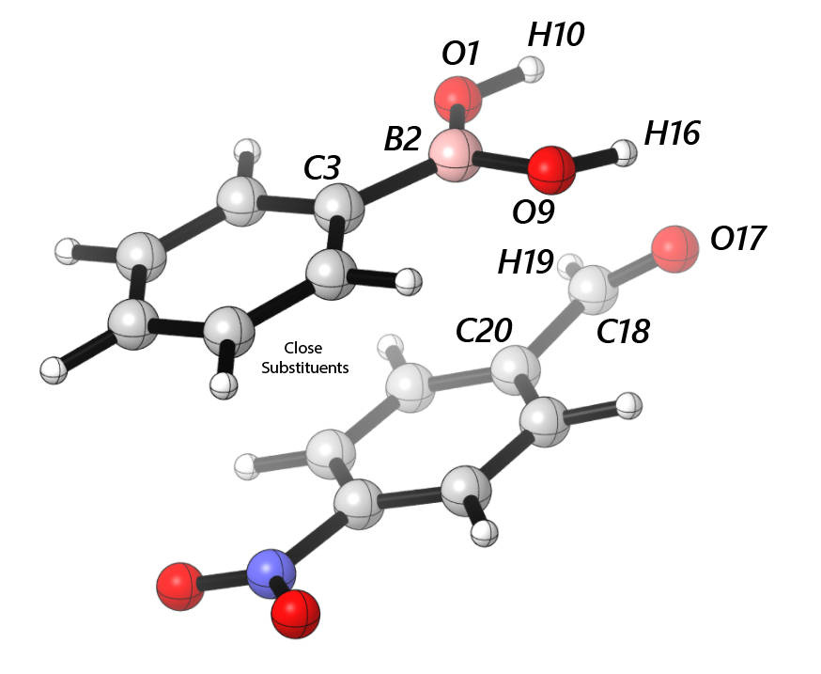
 | cross | para | -1-2- | -2-3- | -2-9- | -1-10- | -9-16- | -17-18- | -18-19- | -18-20- | Dist(1, 2) | Dist(2, 3) | Dist(2, 9) | Dist(1, 10) | Dist(9, 16) | Dist(17, 18) | Dist(18, 19) | Dist(18, 20) | Dist(16, 17) | Dist(10, 17) | dip_x | dip_y | dip_z | Total | NBO O 1 | NBO B 2 | NBO C 3 | NBO O 9 | NBO H 10 | NBO H 16 | NBO O 17 | NBO C 18 | NBO H 19 | NBO C 20 | diff O1 B2 | diff B2 C3 | diff B2 O9 | diff O1 H10 | diff O9 H16 | diff H10 O17 | diff H16 O17 | diff O17 C18 | diff C18 H19 | diff C18 C20 | B1 | B5 | L
Ph | 1673.9294 | 1644.2966 | 1386.8303 | 1408.8716 | 1386.8303 | 3882.0603 | 3868.1685 | 1822.5005 | 1822.5005 | 1676.1444 | 1.372736803 | 1.562275812 | 1.365556696 | 0.961928942 | 0.962944788 | 1.205376101 | 1.105195192 | 1.480703147 | 2.479340193 | 2.747377446 | -3.1434 | -0.9304 | 1.8449 | 3.7618 | -0.90526 | 1.13313 | -0.41971 | -0.90295 | 0.4902 | 0.49909 | -0.54911 | 0.44109 | 0.12223 | -0.17103 | 2.03839 | 1.55284 | 2.03608 | 1.39546 | 1.40204 | 1.03931 | 1.0482 | 0.9902 | 0.31886 | 0.61212 | 1.7 | 3.16 | 6.83
3-F | 1682.3405 | 1653.7391 | 1383.4037 | 1415.6771 | 1383.4037 | 1383.4037 | 3868.6394 | 1823.8733 | 1823.8733 | 1823.8733 | 1.370510626 | 1.565123062 | 1.364227944 | 0.961911296 | 0.963129966 | 1.205244386 | 1.105500778 | 1.48077311 | 2.408428429 | 2.755251176 | -4.4387 | -1.868 | 2.2226 | 5.3039 | -0.90255 | 1.13308 | -0.38834 | -0.90331 | 0.49061 | 0.50258 | -0.54847 | 0.44164 | 0.12095 | -0.16779 | 2.03563 | 1.52142 | 2.03639 | 1.39316 | 1.40589 | 1.03908 | 1.05105 | 0.99011 | 0.32069 | 0.60943 | 1.7 | 3.73 | 6.83
3-CH3 | 1674.6699 | 1651.7933 | 1381.0459 | 1406.7503 | 1381.0459 | 1822.8403 | 3870.8553 | 1822.8403 | 1822.8403 | 1822.8403 | 1.37300653 | 1.562232431 | 1.366055331 | 0.961890429 | 0.962907429 | 1.205368249 | 1.105254565 | 1.480632107 | 2.47510245 | 2.748194751 | -3.0665 | -0.8666 | 1.211 | 3.4089 | -0.90522 | 1.13412 | -0.41021 | -0.90347 | 0.48954 | 0.49876 | -0.54902 | 0.44123 | 0.12185 | -0.17005 | 2.03934 | 1.54433 | 2.03759 | 1.39476 | 1.40223 | 1.03856 | 1.04778 | 0.99025 | 0.31938 | 0.61128 | 1.92 | 5.29 | 6.82
3-CF3 | 1676.9178 | 1644.5423 | 1362.3454 | 1416.87 | 1362.3454 | 1416.87 | 3871.0092 | 1820.9243 | 1820.9243 | 1820.9243 | 1.372393736 | 1.560829647 | 1.365434034 | 0.962140063 | 0.962687616 | 1.205610509 | 1.104793006 | 1.481118176 | 2.516037834 | 2.714486125 | 2.7226 | -0.2825 | 1.6143 | 3.1778 | -0.90378 | 1.1308 | -0.41515 | -0.90159 | 0.49136 | 0.49801 | -0.55121 | 0.44081 | 0.12408 | -0.17467 | 2.03458 | 1.54595 | 2.03239 | 1.39514 | 1.3996 | 1.04257 | 1.04922 | 0.99202 | 0.31673 | 0.61548 | 1.7 | 4.42 | 8.91
3,5-F | 1683.0623 | 1662.1068 | 1394.808 | 1423.6564 | 1394.808 | 3884.7326 | 1423.6564 | 1824.7554 | 2979.3183 | 1824.7554 | 1.36994802 | 1.56572447 | 1.362803068 | 0.96193894 | 0.963202891 | 1.205089553 | 1.105527371 | 1.481132048 | 2.381287488 | 2.809288116 | 6.3248 | 0.9074 | 0.9284 | 6.4566 | -0.9025 | 1.13164 | -0.40389 | -0.90273 | 0.49209 | 0.50495 | -0.54701 | 0.44091 | 0.12117 | -0.16788 | 2.03414 | 1.53553 | 2.03437 | 1.39459 | 1.40768 | 1.0391 | 1.05196 | 0.98792 | 0.31974 | 0.60879 | 1.8 | 5.42 | 7.37
3,5-Ome | 1690.4356 | 1666.0158 | 1411.7755 | 1493.4601 | 1411.7755 | 1411.7755 | 3868.0986 | 1823.2373 | 1823.2373 | 1823.2373 | 1.368515548 | 1.567574182 | 1.3627414 | 0.96199799 | 0.963157748 | 1.205340572 | 1.105301932 | 1.481005196 | 2.467971917 | 2.701396727 | -5.2914 | 1.2781 | -0.7682 | 5.4975 | -0.90156 | 1.13327 | -0.36099 | -0.90055 | 0.49293 | 0.50269 | -0.5486 | 0.44165 | 0.12212 | -0.16802 | 2.03483 | 1.49426 | 2.03382 | 1.39449 | 1.40324 | 1.04153 | 1.05129 | 0.99025 | 0.31953 | 0.60967 | 1.7 | 3.71 | 6.83
2-Napht | 1679.933 | 1648.0589 | 1411.4827 | 1411.4827 | 1402.1951 | 1411.4827 | 1411.4827 | 1824.7073 | 1824.7073 | 1824.7073 | 1.371349571 | 1.565340691 | 1.36535617 | 0.961743523 | 0.962612648 | 1.204970626 | 1.105546781 | 1.481279394 | 2.512664013 | 2.734479116 | -1.2477 | 2.0009 | -0.5862 | 2.4298 | -0.90259 | 1.13592 | -0.36518 | -0.9012 | 0.48881 | 0.49794 | -0.54652 | 0.44146 | 0.11994 | -0.1644 | 2.03851 | 1.5011 | 2.03712 | 1.3914 | 1.39914 | 1.03533 | 1.04446 | 0.98798 | 0.32152 | 0.60586 | 1.7 | 4.57 | 7.58
2-F | 1684.4188 | 1645.8478 | 1377.7993 | 1419.714 | 1377.7993 | 3885.8937 | 3866.2906 | 1823.8709 | 1823.8709 | 1823.8709 | 1.374028979 | 1.567911656 | 1.359765302 | 0.961795103 | 0.963251748 | 1.205091817 | 1.105384927 | 1.481089142 | 2.450493792 | 2.763480837 | 2.7815 | -0.8115 | -3.0941 | 4.239 | -0.90659 | 1.13055 | -0.48117 | -0.88731 | 0.49144 | 0.4983 | -0.54734 | 0.44072 | 0.12132 | -0.1712 | 2.03714 | 1.61172 | 2.01786 | 1.39803 | 1.38561 | 1.03878 | 1.04564 | 0.98806 | 0.3194 | 0.61192 | 1.7 | 3.7 | 6.85
2-CH3 | 1638.5067 | 1670.9116 | 1374.6885 | 1374.6885 | 1374.6885 | 3885.9868 | 3862.3885 | 1821.9169 | 1821.9169 | 1821.9169 | 1.375722543 | 1.567649731 | 1.36680098 | 0.961628081 | 0.963401949 | 1.205429713 | 1.10522207 | 1.480584225 | 2.471137929 | 2.738303578 | 3.2326 | -1.1133 | -1.534 | 3.7473 | -0.90935 | 1.13447 | -0.4286 | -0.90648 | 0.48998 | 0.49965 | -0.54973 | 0.44217 | 0.122 | -0.17028 | 2.04382 | 1.56307 | 2.04095 | 1.39933 | 1.40613 | 1.03971 | 1.04938 | 0.9919 | 0.32017 | 0.61245 | 1.74 | 5.3 | 6.82
2,4-Me | 1679.3206 | 1629.3867 | 1373.632 | 1629.3867 | 1373.632 | 1373.632 | 3861.5245 | 1824.2496 | 1824.2496 | 1824.2496 | 1.376631195 | 1.564829609 | 1.367480123 | 0.9614391 | 0.96346552 | 1.205179469 | 1.105559613 | 1.480599272 | 2.376465558 | 2.821606678 | -3.0595 | 1.329 | -1.0246 | 3.4895 | -0.90904 | 1.13394 | -0.43751 | -0.90906 | 0.48799 | 0.5013 | -0.54804 | 0.44185 | 0.12038 | -0.16601 | 2.04298 | 1.57145 | 2.043 | 1.39703 | 1.41036 | 1.03603 | 1.04934 | 0.98989 | 0.32147 | 0.60786 | 1.92 | 5.36 | 7.79
4-F | 1674.8704 | 1656.6209 | 1387.3683 | 1405.4559 | 1387.3683 | 1405.4559 | 1387.3683 | 1421.6328 | 1822.3335 | 1822.3335 | 1.372543836 | 1.560321435 | 1.365432809 | 0.961997475 | 0.963005241 | 1.205471024 | 1.105063158 | 1.480753087 | 2.494816175 | 2.709735022 | -4.7296 | 0.2694 | -1.5786 | 4.9933 | -0.90573 | 1.13282 | -0.43715 | -0.90289 | 0.49151 | 0.49949 | -0.54933 | 0.44117 | 0.12322 | -0.17204 | 2.03855 | 1.56997 | 2.03571 | 1.39724 | 1.40238 | 1.04084 | 1.04882 | 0.9905 | 0.31795 | 0.61321 | 1.7 | 3.14 | 7.41
4-Me | 1631.5529 | 1683.0035 | 1386.3046 | 1562.0507 | 1386.3046 | 3884.9719 | 3871.3101 | 1823.8479 | 1823.8479 | 1823.8479 | 1.373318379 | 1.559942016 | 1.366643236 | 0.961732218 | 0.962860674 | 1.205124935 | 1.105543579 | 1.480777672 | 2.44533271 | 2.776447325 | -3.0893 | 1.1358 | -1.1076 | 3.4729 | -0.90491 | 1.13256 | -0.42898 | -0.90435 | 0.48847 | 0.4993 | -0.54737 | 0.44119 | 0.12042 | -0.1664 | 2.03747 | 1.56154 | 2.03691 | 1.39338 | 1.40365 | 1.03584 | 1.04667 | 0.98856 | 0.32077 | 0.60759 | 1.7 | 3.17 | 7.75
4-Ome | 1635.7921 | 1677.5377 | 1385.7375 | 1404.704 | 1404.704 | 1404.704 | 1385.7375 | 1421.9586 | 1824.4438 | 1824.4438 | 1.374707477 | 1.555614725 | 1.367670971 | 0.961668927 | 0.962831174 | 1.205143784 | 1.10553833 | 1.480673089 | 2.446099 | 2.778251763 | -2.7495 | 0.9063 | -2.6957 | 3.9557 | -0.90641 | 1.13103 | -0.45653 | -0.90519 | 0.48809 | 0.49876 | -0.54745 | 0.44111 | 0.12033 | -0.16663 | 2.03744 | 1.58756 | 2.03622 | 1.3945 | 1.40395 | 1.03554 | 1.04621 | 0.98856 | 0.32078 | 0.60774 | 1.7 | 3.21 | 8.86
4-t-Bu | 1622.4238 | 1680.1761 | 1386.0574 | 1386.0574 | 1386.0574 | 3884.5498 | 1386.0574 | 1824.1175 | 1824.1175 | 1824.1175 | 1.373817248 | 1.559742489 | 1.366725967 | 0.961784165 | 0.962956276 | 1.205165136 | 1.105431699 | 1.480790015 | 2.448382177 | 2.747405834 | 2.9467 | -0.0997 | 1.7518 | 3.4295 | -0.90576 | 1.13445 | -0.43011 | -0.90443 | 0.48858 | 0.49892 | -0.5477 | 0.44133 | 0.12119 | -0.16694 | 2.04021 | 1.56456 | 2.03888 | 1.39434 | 1.40335 | 1.03628 | 1.04662 | 0.98903 | 0.32014 | 0.60827 | 2.66 | 5.32 | 9.03
4-CF3 | 1690.9687 | 1642.1848 | 1392.8153 | 1452.6887 | 1392.8153 | 3880.3623 | 3865.9787 | 1821.9495 | 1821.9495 | 1655.4881 | 1.370054975 | 1.566554868 | 1.363238828 | 0.962134359 | 0.963243614 | 1.205486015 | 1.105049452 | 1.480932782 | 2.475098201 | 2.714565247 | 6.115 | -0.6617 | 1.6994 | 6.3811 | -0.90356 | 1.13347 | -0.39612 | -0.90111 | 0.49317 | 0.50174 | -0.5493 | 0.44107 | 0.12362 | -0.17201 | 2.03703 | 1.52959 | 2.03458 | 1.39673 | 1.40285 | 1.04247 | 1.05104 | 0.99037 | 0.31745 | 0.61308 | 2.11 | 3.15 | 8.16

BA -Aldehyde (pi - far)
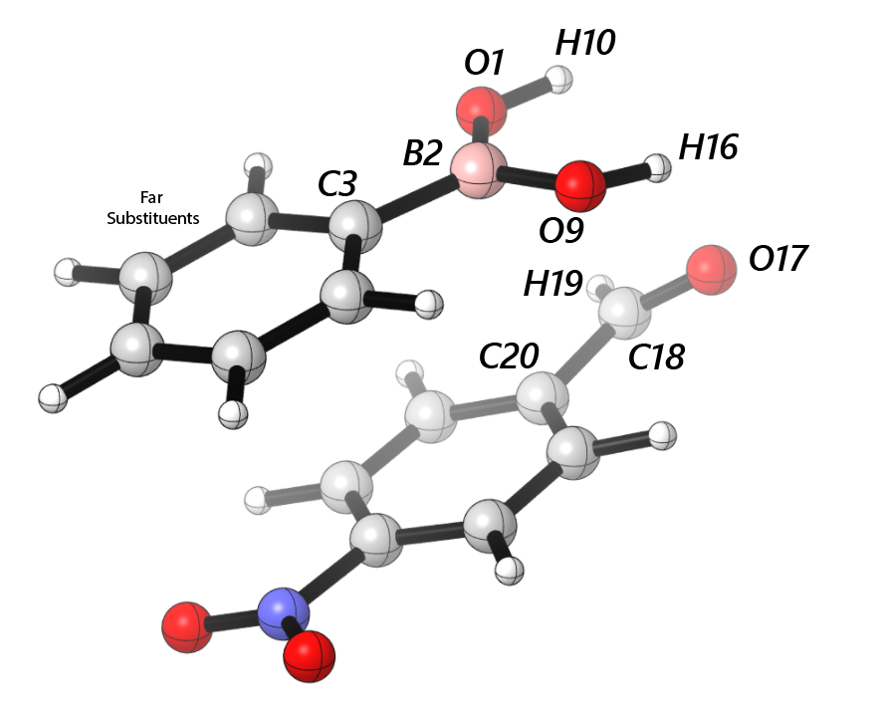
 | cross | para | -1-2- | -2-3- | -2-9- | -1-10- | -9-16- | -17-18- | -18-19- | -18-20- | Dist(1, 2) | Dist(2, 3) | Dist(2, 9) | Dist(1, 10) | Dist(9, 16) | Dist(17, 18) | Dist(18, 19) | Dist(18, 20) | Dist(16, 17) | Dist(10, 17) | dip_x | dip_y | dip_z | Total | NBO O 1 | NBO B 2 | NBO C 3 | NBO O 9 | NBO H 10 | NBO H 16 | NBO O 17 | NBO C 18 | NBO H 19 | NBO C 20 | diff O1 B2 | diff B2 C3 | diff B2 O9 | diff O1 H10 | diff O9 H16 | diff H10 O17 | diff H16 O17 | diff O17 C18 | diff C18 H19 | diff C18 C20 | B1 | B5 | L
Ph | 1673.9294 | 1644.2966 | 1386.8303 | 1408.8716 | 1386.8303 | 3882.0603 | 3868.1685 | 1822.5005 | 1822.5005 | 1676.1444 | 1.372736803 | 1.562275812 | 1.365556696 | 0.961928942 | 0.962944788 | 1.205376101 | 1.105195192 | 1.480703147 | 2.479340193 | 2.747377446 | -3.1434 | -0.9304 | 1.8449 | 3.7618 | -0.90526 | 1.13313 | -0.41971 | -0.90295 | 0.4902 | 0.49909 | -0.54911 | 0.44109 | 0.12223 | -0.17103 | 2.03839 | 1.55284 | 2.03608 | 1.39546 | 1.40204 | 1.03931 | 1.0482 | 0.9902 | 0.31886 | 0.61212 | 1.7 | 3.16 | 6.83
3-F | 1682.7095 | 1654.8152 | 1388.1656 | 1409.9846 | 1388.1656 | 3883.0076 | 3868.4737 | 1822.4708 | 1822.4708 | 1822.4708 | 1.370784953 | 1.565014657 | 1.364064069 | 0.962000159 | 0.963036263 | 1.205431344 | 1.105141255 | 1.480897983 | 2.490305545 | 2.710783267 | 3.9296 | -0.7684 | -1.1232 | 4.1585 | -0.90403 | 1.13329 | -0.39065 | -0.90121 | 0.49206 | 0.5004 | -0.54921 | 0.44143 | 0.12286 | -0.17 | 2.03732 | 1.52394 | 2.0345 | 1.39609 | 1.40161 | 1.04127 | 1.04961 | 0.99064 | 0.31857 | 0.61143 | 1.7 | 3.72 | 6.83
3-CH3 | 1675.4523 | 1651.0696 | 1387.9945 | 1387.9945 | 1387.9945 | 3884.2761 | 3874.158 | 1824.5392 | 1824.5392 | 1824.5392 | 1.372383005 | 1.562321916 | 1.366233978 | 0.961803314 | 0.962670236 | 1.205058369 | 1.105578319 | 1.480892914 | 2.495676935 | 2.726944186 | 2.7469 | -0.9484 | -2.4256 | 3.7853 | -0.90435 | 1.13363 | -0.40654 | -0.90278 | 0.48907 | 0.49842 | -0.54736 | 0.44172 | 0.12011 | -0.16663 | 2.03798 | 1.54017 | 2.03641 | 1.39342 | 1.4012 | 1.03643 | 1.04578 | 0.98908 | 0.32161 | 0.60835 | 1.7 | 4.39 | 6.81
3-CF3 | 1644.1748 | 1705.3141 | 1375.155 | 1407.6436 | 1375.155 | 3885.7536 | 1375.155 | 1823.2243 | 1823.2243 | 1823.2243 | 1.371950113 | 1.561740413 | 1.365942184 | 0.961746825 | 0.962871486 | 1.205336384 | 1.105593933 | 1.48047123 | 2.478945857 | 2.725682004 | -2.7156 | -0.6354 | 2.2823 | 3.6037 | -0.90399 | 1.13285 | -0.41136 | -0.90249 | 0.48973 | 0.49944 | -0.54946 | 0.44201 | 0.11995 | -0.16835 | 2.03684 | 1.54421 | 2.03534 | 1.39372 | 1.40193 | 1.03919 | 1.0489 | 0.99147 | 0.32206 | 0.61036 | 1.7 | 4.43 | 8.89
3,5-F | 1682.5356 | 1663.3317 | 1401.5558 | 1415.6171 | 1415.6171 | 3883.3475 | 3869.0302 | 1822.4098 | 1822.4098 | 1822.4098 | 1.369186842 | 1.565736366 | 1.36356536 | 0.961982607 | 0.963098486 | 1.205415155 | 1.105138869 | 1.481097634 | 2.498606138 | 2.708387063 | -4.7066 | -0.4959 | -0.5354 | 4.7629 | -0.90264 | 1.13218 | -0.40483 | -0.90121 | 0.49367 | 0.50193 | -0.54871 | 0.4414 | 0.12313 | -0.16834 | 2.03482 | 1.53701 | 2.03339 | 1.39631 | 1.40314 | 1.04238 | 1.05064 | 0.99011 | 0.31827 | 0.60974 | 1.78 | 4.85 | 7.43
3,5-Ome | 1690.4356 | 1666.0158 | 1411.7755 | 1493.4601 | 1411.7755 | 1411.7755 | 3868.0986 | 1823.2373 | 1823.2373 | 1823.2373 | 1.368515548 | 1.567574182 | 1.3627414 | 0.96199799 | 0.963157748 | 1.205340572 | 1.105301932 | 1.481005196 | 2.467971917 | 2.701396727 | -5.2914 | 1.2781 | -0.7682 | 5.4975 | -0.90156 | 1.13327 | -0.36099 | -0.90055 | 0.49293 | 0.50269 | -0.5486 | 0.44165 | 0.12212 | -0.16802 | 2.03483 | 1.49426 | 2.03382 | 1.39449 | 1.40324 | 1.04153 | 1.05129 | 0.99025 | 0.31953 | 0.60967 | 1.7 | 3.71 | 6.83
2-Napht | 1679.933 | 1648.0589 | 1411.4827 | 1411.4827 | 1402.1951 | 1411.4827 | 1411.4827 | 1824.7073 | 1824.7073 | 1824.7073 | 1.371349571 | 1.565340691 | 1.36535617 | 0.961743523 | 0.962612648 | 1.204970626 | 1.105546781 | 1.481279394 | 2.512664013 | 2.734479116 | -1.2477 | 2.0009 | -0.5862 | 2.4298 | -0.90259 | 1.13592 | -0.36518 | -0.9012 | 0.48881 | 0.49794 | -0.54652 | 0.44146 | 0.11994 | -0.1644 | 2.03851 | 1.5011 | 2.03712 | 1.3914 | 1.39914 | 1.03533 | 1.04446 | 0.98798 | 0.32152 | 0.60586 | 1.7 | 4.57 | 7.58
2-F | 1684.4892 | 1645.7197 | 1387.825 | 1387.825 | 1387.825 | 3877.7151 | 3870.9312 | 1823.8822 | 1823.8822 | 1654.202 | 1.366596344 | 1.567767687 | 1.366943517 | 0.962333748 | 0.962733387 | 1.205238994 | 1.10491846 | 1.481665967 | 2.503980294 | 2.745723224 | 2.6031 | -0.9307 | -0.7328 | 2.86 | -0.88889 | 1.13133 | -0.48094 | -0.90414 | 0.48863 | 0.50019 | -0.54831 | 0.4414 | 0.12386 | -0.16937 | 2.02022 | 1.61227 | 2.03547 | 1.37752 | 1.40433 | 1.03694 | 1.0485 | 0.98971 | 0.31754 | 0.61077 | 1.7 | 3.7 | 6.85
2-CH3 | 1671.2558 | 1638.1423 | 1382.5712 | 1393.5891 | 1382.5712 | 3876.3869 | 3869.8512 | 1823.2192 | 1823.2192 | 1654.6333 | 1.373534434 | 1.567654137 | 1.36883129 | 0.962429391 | 0.962663178 | 1.205261698 | 1.105418015 | 1.480737265 | 2.463748961 | 2.736110253 | 3.2129 | -0.5664 | -2.1814 | 3.9246 | -0.90844 | 1.13411 | -0.42851 | -0.9079 | 0.49078 | 0.49901 | -0.54845 | 0.44155 | 0.12157 | -0.17003 | 2.04255 | 1.56262 | 2.04201 | 1.39922 | 1.40691 | 1.03923 | 1.04746 | 0.99 | 0.31998 | 0.61158 | 1.74 | 5.25 | 6.82
2,4-Me | 1679.8405 | 1626.1743 | 1377.6015 | 1390.3247 | 1377.6015 | 1390.3247 | 3871.7022 | 1823.824 | 1823.824 | 1652.9541 | 1.374604392 | 1.56471286 | 1.369681408 | 0.962326031 | 0.9626336 | 1.205164513 | 1.105516419 | 1.480762061 | 2.439692623 | 2.76700526 | 3.2495 | 0.6075 | 1.3038 | 3.5537 | -0.9086 | 1.13324 | -0.43975 | -0.90864 | 0.48961 | 0.49888 | -0.54748 | 0.44138 | 0.12087 | -0.16825 | 2.04184 | 1.57299 | 2.04188 | 1.39821 | 1.40752 | 1.03709 | 1.04636 | 0.98886 | 0.32051 | 0.60963 | 1.74 | 5.28 | 7.75
4-F | 1674.8704 | 1656.6209 | 1387.3683 | 1405.4559 | 1387.3683 | 1405.4559 | 1387.3683 | 1421.6328 | 1822.3335 | 1822.3335 | 1.372543836 | 1.560321435 | 1.365432809 | 0.961997475 | 0.963005241 | 1.205471024 | 1.105063158 | 1.480753087 | 2.494816175 | 2.709735022 | -4.7296 | 0.2694 | -1.5786 | 4.9933 | -0.90573 | 1.13282 | -0.43715 | -0.90289 | 0.49151 | 0.49949 | -0.54933 | 0.44117 | 0.12322 | -0.17204 | 2.03855 | 1.56997 | 2.03571 | 1.39724 | 1.40238 | 1.04084 | 1.04882 | 0.9905 | 0.31795 | 0.61321 | 1.7 | 3.14 | 7.41
4-Me | 1631.5529 | 1683.0035 | 1386.3046 | 1562.0507 | 1386.3046 | 3884.9719 | 3871.3101 | 1823.8479 | 1823.8479 | 1823.8479 | 1.373318379 | 1.559942016 | 1.366643236 | 0.961732218 | 0.962860674 | 1.205124935 | 1.105543579 | 1.480777672 | 2.44533271 | 2.776447325 | -3.0893 | 1.1358 | -1.1076 | 3.4729 | -0.90491 | 1.13256 | -0.42898 | -0.90435 | 0.48847 | 0.4993 | -0.54737 | 0.44119 | 0.12042 | -0.1664 | 2.03747 | 1.56154 | 2.03691 | 1.39338 | 1.40365 | 1.03584 | 1.04667 | 0.98856 | 0.32077 | 0.60759 | 1.7 | 3.17 | 7.75
4-Ome | 1635.7921 | 1677.5377 | 1385.7375 | 1404.704 | 1404.704 | 1404.704 | 1385.7375 | 1421.9586 | 1824.4438 | 1824.4438 | 1.374707477 | 1.555614725 | 1.367670971 | 0.961668927 | 0.962831174 | 1.205143784 | 1.10553833 | 1.480673089 | 2.446099 | 2.778251763 | -2.7495 | 0.9063 | -2.6957 | 3.9557 | -0.90641 | 1.13103 | -0.45653 | -0.90519 | 0.48809 | 0.49876 | -0.54745 | 0.44111 | 0.12033 | -0.16663 | 2.03744 | 1.58756 | 2.03622 | 1.3945 | 1.40395 | 1.03554 | 1.04621 | 0.98856 | 0.32078 | 0.60774 | 1.7 | 3.21 | 8.86
4-t-Bu | 1622.4238 | 1680.1761 | 1386.0574 | 1386.0574 | 1386.0574 | 3884.5498 | 1386.0574 | 1824.1175 | 1824.1175 | 1824.1175 | 1.373817248 | 1.559742489 | 1.366725967 | 0.961784165 | 0.962956276 | 1.205165136 | 1.105431699 | 1.480790015 | 2.448382177 | 2.747405834 | 2.9467 | -0.0997 | 1.7518 | 3.4295 | -0.90576 | 1.13445 | -0.43011 | -0.90443 | 0.48858 | 0.49892 | -0.5477 | 0.44133 | 0.12119 | -0.16694 | 2.04021 | 1.56456 | 2.03888 | 1.39434 | 1.40335 | 1.03628 | 1.04662 | 0.98903 | 0.32014 | 0.60827 | 2.66 | 5.32 | 9.03
4-CF3 | 1690.9687 | 1642.1848 | 1392.8153 | 1452.6887 | 1392.8153 | 3880.3623 | 3865.9787 | 1821.9495 | 1821.9495 | 1655.4881 | 1.370054975 | 1.566554868 | 1.363238828 | 0.962134359 | 0.963243614 | 1.205486015 | 1.105049452 | 1.480932782 | 2.475098201 | 2.714565247 | 6.115 | -0.6617 | 1.6994 | 6.3811 | -0.90356 | 1.13347 | -0.39612 | -0.90111 | 0.49317 | 0.50174 | -0.5493 | 0.44107 | 0.12362 | -0.17201 | 2.03703 | 1.52959 | 2.03458 | 1.39673 | 1.40285 | 1.04247 | 1.05104 | 0.99037 | 0.31745 | 0.61308 | 2.11 | 3.15 | 8.16

BA - Aldehyde (H bond - close)
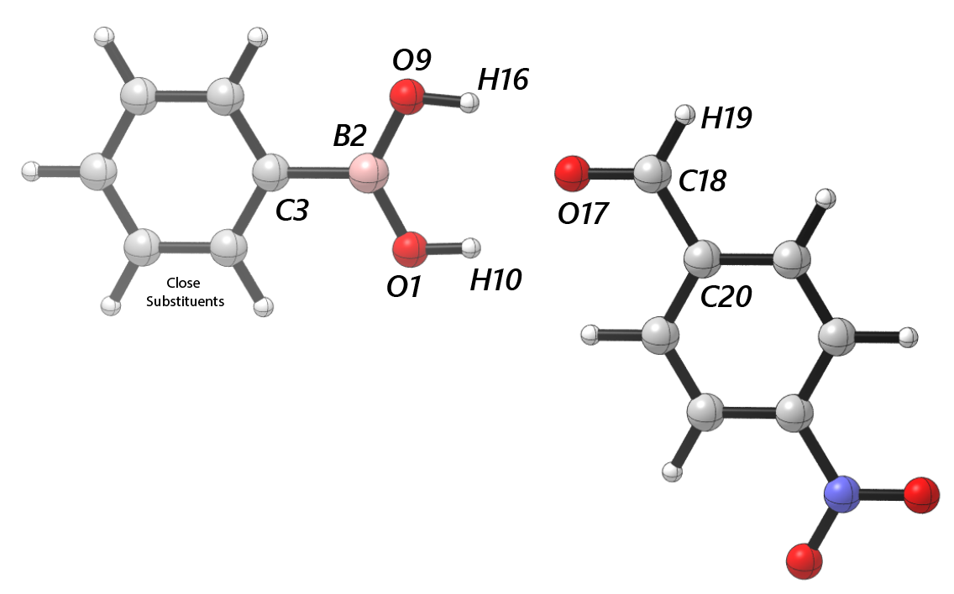
 | cross | para | -1-2- | -2-3- | -2-9- | -1-10- | -9-16- | -17-18- | -18-19- | -18-20- | Dist(1, 2) | Dist(2, 3) | Dist(2, 9) | Dist(1, 10) | Dist(9, 16) | Dist(17, 18) | Dist(18, 19) | Dist(18, 20) | Dist(16, 17) | Dist(10, 17) | dip_x | dip_y | dip_z | Total | NBO O 1 | NBO B 2 | NBO C 3 | NBO O 9 | NBO H 10 | NBO H 16 | NBO O 17 | NBO C 18 | NBO H 19 | NBO C 20 | diff O1 B2 | diff B2 C3 | diff B2 O9 | diff O1 H10 | diff O9 H16 | diff H10 O17 | diff H16 O17 | diff O17 C18 | diff C18 H19 | diff C18 C20 | B1 | B5 | L
Ph | 1647.0682 | 1676.5833 | 1403.0325 | 1414.3114 | 1403.0325 | 3823.066 | 3865.9687 | 1820.2428 | 3002.9817 | 1820.2428 | 1.370397643 | 1.562787113 | 1.367036052 | 0.965289909 | 0.963108774 | 1.206823011 | 1.103866053 | 1.477890123 | 2.203842811 | 2.029515434 | -2.0223 | 4.2322 | -1.6852 | 4.9841 | -0.91722 | 1.11723 | -0.40067 | -0.89964 | 0.50346 | 0.49838 | -0.57301 | 0.4566 | 0.12613 | -0.16952 | 2.03445 | 1.5179 | 2.01687 | 1.42068 | 1.39802 | 1.07647 | 1.07139 | 1.02961 | 0.33047 | 0.62612 | 1.7 | 3.15 | 6.84
3-F | 1658.2875 | 1685.6339 | 1404.6322 | 1487.8706 | 1414.7899 | 3863.9477 | 3817.8807 | 1819.2977 | 3008.8018 | 1819.2977 | 1.365362343 | 1.565543199 | 1.368460744 | 0.96334904 | 0.965602053 | 1.207116665 | 1.103648617 | 1.477474312 | 2.012963547 | 2.190249099 | -3.6997 | -5.2091 | 0.0501 | 6.3895 | -0.89849 | 1.11742 | -0.37365 | -0.91623 | 0.50027 | 0.50495 | -0.57554 | 0.45774 | 0.12717 | -0.17017 | 2.01591 | 1.49107 | 2.03365 | 1.39876 | 1.42118 | 1.07581 | 1.08049 | 1.03328 | 0.33057 | 0.62791 | 1.7 | 3.7 | 6.85
3-CH3 | 1680.2581 | 1655.1808 | 1404.0476 | 1404.0476 | 1402.7512 | 1404.0476 | 1402.7512 | 1425.4263 | 1819.9763 | 1819.9763 | 1.367282388 | 1.56250633 | 1.370876489 | 0.963016363 | 0.965188381 | 1.206783467 | 1.103937765 | 1.477928883 | 2.04516339 | 2.195310251 | 2.7724 | -3.0262 | -2.2291 | 4.6705 | -0.8997 | 1.11744 | -0.39347 | -0.91679 | 0.49787 | 0.50321 | -0.5727 | 0.45626 | 0.12579 | -0.16939 | 2.01714 | 1.51091 | 2.03423 | 1.39757 | 1.42 | 1.07057 | 1.07591 | 1.02896 | 0.33047 | 0.62565 | 1.76 | 4.38 | 6.83
3-CF3 | 1645.3561 | 1706.8114 | 1412.9242 | 1432.8507 | 1419.6066 | 3824.3764 | 3863.913 | 1820.1417 | 3000.5439 | 1820.1417 | 1.370249664 | 1.562654953 | 1.366946123 | 0.965236129 | 0.963219034 | 1.206882909 | 1.103796131 | 1.477604477 | 2.173279377 | 2.036464056 | 3.2694 | -3.5508 | 1.5211 | 5.0607 | -0.91665 | 1.11764 | -0.39759 | -0.89985 | 0.50336 | 0.49934 | -0.57393 | 0.45691 | 0.12653 | -0.16947 | 2.03429 | 1.51523 | 2.01749 | 1.42001 | 1.39919 | 1.07729 | 1.07327 | 1.03084 | 0.33038 | 0.62638 | 1.72 | 4.35 | 8.96
3,5-F | 1662.1458 | 1684.3092 | 1410.533 | 1489.9582 | 1422.6482 | 1422.6482 | 3810.0846 | 1819.1862 | 3009.9765 | 1819.1862 | 1.365015747 | 1.566280416 | 1.366930439 | 0.963616788 | 0.965860698 | 1.207298802 | 1.103460903 | 1.477103003 | 1.990585741 | 2.185132143 | 4.365 | 6.2634 | -1.2431 | 7.7349 | -0.89919 | 1.11786 | -0.38735 | -0.91549 | 0.50191 | 0.5056 | -0.57711 | 0.45873 | 0.1281 | -0.17063 | 2.01705 | 1.50521 | 2.03335 | 1.4011 | 1.42109 | 1.07902 | 1.08271 | 1.03584 | 0.33063 | 0.62936 | 1.81 | 4.89 | 7.3
3,5-Ome | 1668.034 | 1693.4809 | 1418.5193 | 1526.6327 | 1430.1862 | 3812.6578 | 3861.3285 | 1818.5963 | 3012.6347 | 1818.5963 | 1.366538351 | 1.568166222 | 1.363837544 | 0.965911882 | 0.963561464 | 1.207369281 | 1.103459623 | 1.477108277 | 2.179682185 | 1.999813516 | 4.0543 | -5.1537 | 2.1351 | 6.8962 | -0.91468 | 1.11765 | -0.34786 | -0.89765 | 0.5062 | 0.50228 | -0.57771 | 0.45877 | 0.12825 | -0.17058 | 2.03233 | 1.46551 | 2.0153 | 1.42088 | 1.39993 | 1.08391 | 1.07999 | 1.03648 | 0.33052 | 0.62935 | 1.7 | 3.69 | 6.85
2-Napht | 1654.492 | 1683.7901 | 1406.5208 | 1416.057 | 1416.057 | 3829.553 | 3868.6143 | 1820.2855 | 2997.4207 | 1820.2855 | 1.369698303 | 1.565640533 | 1.366200715 | 0.965149905 | 0.962974868 | 1.206736744 | 1.104047884 | 1.478035531 | 2.200311134 | 2.052787726 | 1.8395 | -1.8774 | -0.6327 | 2.7035 | -0.91484 | 1.11983 | -0.35578 | -0.89806 | 0.50344 | 0.4977 | -0.57239 | 0.45607 | 0.12522 | -0.16936 | 2.03467 | 1.47561 | 2.01789 | 1.41828 | 1.39576 | 1.07583 | 1.07009 | 1.02846 | 0.33085 | 0.62543 | 1.89 | 4.53 | 7.57
2-F | 1649.4658 | 1687.4707 | 1416.213 | 1405.4484 | 1416.213 | 3865.4738 | 3812.9449 | 1820.0451 | 3001.7577 | 1820.0451 | 1.368492234 | 1.568477165 | 1.363979357 | 0.963207149 | 0.965942155 | 1.206981642 | 1.10383593 | 1.477712286 | 2.003698544 | 2.213247171 | 1.2233 | 4.6497 | -1.2096 | 4.9578 | -0.90176 | 1.11643 | -0.46086 | -0.90295 | 0.50015 | 0.50248 | -0.57414 | 0.45735 | 0.12594 | -0.1702 | 2.01819 | 1.57729 | 2.01938 | 1.40191 | 1.40543 | 1.07429 | 1.07662 | 1.03149 | 0.33141 | 0.62755 | 1.71 | 3.7 | 6.86
2-CH3 | 1640.85 | 1672.8412 | 1403.2029 | 1403.2029 | 1395.4498 | 3871.2977 | 3812.1799 | 1820.7694 | 3007.4992 | 1820.7694 | 1.370042507 | 1.56815074 | 1.371592848 | 0.962794369 | 0.965893795 | 1.206779971 | 1.103754381 | 1.47787436 | 2.015018646 | 2.19171121 | -3.175 | -4.0068 | 0.3228 | 5.1224 | -0.90365 | 1.1171 | -0.40487 | -0.92115 | 0.49798 | 0.5039 | -0.57286 | 0.45703 | 0.12661 | -0.16916 | 2.02075 | 1.52197 | 2.03825 | 1.40163 | 1.42505 | 1.07084 | 1.07676 | 1.02989 | 0.33042 | 0.62619 | 1.77 | 4.29 | 6.84
2,4-Me | 1681.7184 | 1631.0655 | 1388.6656 | 1400.943 | 1400.943 | 3818.14 | 3870.2455 | 1821.0038 | 3006.6875 | 1821.0038 | 1.372313082 | 1.565439203 | 1.370788519 | 0.965736975 | 0.962651804 | 1.206711345 | 1.103898316 | 1.478030709 | 2.201659294 | 2.029942766 | -2.5597 | 3.6964 | -1.2865 | 4.6767 | -0.92101 | 1.11636 | -0.41716 | -0.90365 | 0.50388 | 0.49693 | -0.57201 | 0.45641 | 0.12586 | -0.16907 | 2.03737 | 1.53352 | 2.02001 | 1.42489 | 1.40058 | 1.07589 | 1.06894 | 1.02842 | 0.33055 | 0.62548 | 1.77 | 4.29 | 7.78
4-F | 1659.2764 | 1677.1081 | 1401.8774 | 1411.5972 | 1401.8774 | 3821.5236 | 3862.9257 | 1819.2445 | 3001.7131 | 1819.2445 | 1.370071262 | 1.561092281 | 1.366841123 | 0.965364609 | 0.963192526 | 1.206992731 | 1.103729509 | 1.477550108 | 2.178132 | 2.031084448 | -3.2831 | 5.0469 | -2.4861 | 6.514 | -0.91708 | 1.11694 | -0.41821 | -0.90068 | 0.50401 | 0.49989 | -0.57467 | 0.45718 | 0.12693 | -0.16967 | 2.03402 | 1.53515 | 2.01762 | 1.42109 | 1.40057 | 1.07868 | 1.07456 | 1.03185 | 0.33025 | 0.62685 | 1.7 | 3.14 | 7.42
4-Me | 1633.8257 | 1685.3274 | 1399.7126 | 1409.5077 | 1399.7126 | 3830.2062 | 3866.4907 | 1820.536 | 1820.536 | 1820.536 | 1.371143516 | 1.560282159 | 1.367858319 | 0.965077178 | 0.962940913 | 1.206766255 | 1.104003224 | 1.4779275 | 2.19321943 | 2.054907537 | 1.32 | 2.6223 | 3.4098 | 4.4995 | -0.91636 | 1.11634 | -0.4132 | -0.9002 | 0.50323 | 0.49748 | -0.57251 | 0.456 | 0.12542 | -0.16945 | 2.0327 | 1.52954 | 2.01654 | 1.41959 | 1.39768 | 1.07574 | 1.06999 | 1.02851 | 0.33058 | 0.62545 | 1.71 | 3.14 | 7.78
4-Ome | 1640.2676 | 1679.7734 | 1397.1646 | 1413.0068 | 1413.0068 | 3831.013 | 3870.3694 | 1820.6503 | 2999.5549 | 1820.6503 | 1.3725178 | 1.556504386 | 1.36857614 | 0.964920799 | 0.962864633 | 1.20666327 | 1.103999349 | 1.478088776 | 2.184222402 | 2.062904435 | 2.0519 | -2.8738 | 1.9188 | 4.0188 | -0.91765 | 1.11508 | -0.43806 | -0.90114 | 0.50246 | 0.4974 | -0.5718 | 0.45572 | 0.12541 | -0.16894 | 2.03273 | 1.55314 | 2.01622 | 1.42011 | 1.39854 | 1.07426 | 1.0692 | 1.02752 | 0.33031 | 0.62466 | 1.78 | 3.15 | 8.91
4-t-Bu | 1683.7056 | 1626.8809 | 1414.0516 | 1414.0516 | 1414.0516 | 1414.0516 | 1414.0516 | 1820.5308 | 1820.5308 | 1820.5308 | 1.37112305 | 1.560487407 | 1.36773282 | 0.965087444 | 0.962996916 | 1.20674737 | 1.10395732 | 1.477894021 | 2.183419261 | 2.054726024 | -3.3592 | -2.4036 | -1.9096 | 4.5507 | -0.9163 | 1.11753 | -0.41005 | -0.90033 | 0.50279 | 0.4979 | -0.57252 | 0.45609 | 0.12563 | -0.16922 | 2.03383 | 1.52758 | 2.01786 | 1.41909 | 1.39823 | 1.07531 | 1.07042 | 1.02861 | 0.33046 | 0.62531 | 2.73 | 3.22 | 9.03
4-CF3 | 1693.0795 | 1645.8825 | 1408.3576 | 1455.8199 | 1408.3576 | 1418.4452 | 3861.3287 | 1819.2249 | 1819.2249 | 1819.2249 | 1.367339579 | 1.567388758 | 1.364608797 | 0.965860497 | 0.963572455 | 1.207296774 | 1.103450886 | 1.477182775 | 2.179604169 | 1.998876557 | 5.4128 | 3.6145 | 5.0055 | 8.2109 | -0.91559 | 1.11735 | -0.37551 | -0.89863 | 0.50556 | 0.50192 | -0.57726 | 0.45866 | 0.12829 | -0.17041 | 2.03294 | 1.49286 | 2.01598 | 1.42115 | 1.40055 | 1.08282 | 1.07918 | 1.03592 | 0.33037 | 0.62907 | 2.11 | 3.14 | 8.15

BA - Aldehyde (H bond - far)

 | cross | para | -1-2- | -2-3- | -2-9- | -1-10- | -9-16- | -17-18- | -18-19- | -18-20- | Dist(1, 2) | Dist(2, 3) | Dist(2, 9) | Dist(1, 10) | Dist(9, 16) | Dist(17, 18) | Dist(18, 19) | Dist(18, 20) | Dist(16, 17) | Dist(10, 17) | dip_x | dip_y | dip_z | Total | NBO O 1 | NBO B 2 | NBO C 3 | NBO O 9 | NBO H 10 | NBO H 16 | NBO O 17 | NBO C 18 | NBO H 19 | NBO C 20 | diff O1 B2 | diff B2 C3 | diff B2 O9 | diff O1 H10 | diff O9 H16 | diff H10 O17 | diff H16 O17 | diff O17 C18 | diff C18 H19 | diff C18 C20 | B1 | B5 | L
Ph | 1647.0682 | 1676.5833 | 1403.0325 | 1414.3114 | 1403.0325 | 3823.066 | 3865.9687 | 1820.2428 | 3002.9817 | 1820.2428 | 1.370397643 | 1.562787113 | 1.367036052 | 0.965289909 | 0.963108774 | 1.206823011 | 1.103866053 | 1.477890123 | 2.203842811 | 2.029515434 | -2.0223 | 4.2322 | -1.6852 | 4.9841 | -0.91722 | 1.11723 | -0.40067 | -0.89964 | 0.50346 | 0.49838 | -0.57301 | 0.4566 | 0.12613 | -0.16952 | 2.03445 | 1.5179 | 2.01687 | 1.42068 | 1.39802 | 1.07647 | 1.07139 | 1.02961 | 0.33047 | 0.62612 | 1.7 | 3.15 | 6.84
3-F | 1657.9354 | 1684.996 | 1398.3994 | 1398.3994 | 1421.1787 | 3819.4525 | 3863.8703 | 1819.2615 | 3003.5898 | 1819.2615 | 1.368381569 | 1.565502378 | 1.365442118 | 0.965630626 | 0.963285006 | 1.207090469 | 1.103665724 | 1.477532514 | 2.194567573 | 2.015716375 | 3.2453 | -4.1507 | 2.3776 | 5.7805 | -0.91577 | 1.11729 | -0.37394 | -0.89865 | 0.50502 | 0.50028 | -0.57525 | 0.4576 | 0.1272 | -0.16995 | 2.03306 | 1.49123 | 2.01594 | 1.42079 | 1.39893 | 1.08027 | 1.07553 | 1.03285 | 0.3304 | 0.62755 | 1.7 | 3.69 | 6.85
3-CH3 | 1679.9304 | 1655.1892 | 1419.0635 | 1655.1892 | 1393.2419 | 3827.8815 | 3867.6088 | 1426.1808 | 1820.1608 | 1820.1608 | 1.370742412 | 1.562569627 | 1.367443792 | 0.96516225 | 0.963042948 | 1.206795335 | 1.10394059 | 1.477854238 | 2.189546661 | 2.048668191 | -2.6766 | -3.5439 | -1.8259 | 4.8018 | -0.91635 | 1.11766 | -0.39337 | -0.90031 | 0.50307 | 0.49805 | -0.57278 | 0.45621 | 0.12572 | -0.16936 | 2.03401 | 1.51103 | 2.01797 | 1.41942 | 1.39836 | 1.07585 | 1.07083 | 1.02899 | 0.33049 | 0.62557 | 1.74 | 4.38 | 6.83
3-CF3 | 1645.4698 | 1676.0313 | 1416.3599 | 1420.7714 | 1420.7714 | 3823.434 | 3867.172 | 1820.1199 | 3000.237 | 1820.1199 | 1.3701538 | 1.562535046 | 1.366902108 | 0.965389512 | 0.963055033 | 1.206887269 | 1.10385137 | 1.477825987 | 2.199312511 | 2.029982361 | 3.6879 | -3.4869 | -0.4539 | 5.0956 | -0.9164 | 1.11732 | -0.39882 | -0.89976 | 0.50406 | 0.49867 | -0.57362 | 0.4568 | 0.12621 | -0.16966 | 2.03372 | 1.51614 | 2.01708 | 1.42046 | 1.39843 | 1.07768 | 1.07229 | 1.03042 | 0.33059 | 0.62646 | 1.7 | 4.35 | 8.96
3,5-F | 1686.5861 | 1662.0915 | 1432.95 | 1432.95 | 1403.3535 | 1432.95 | 3862.0459 | 1425.5154 | 1818.9317 | 1818.9317 | 1.367735679 | 1.566181603 | 1.364309972 | 0.965820766 | 0.963478298 | 1.207259711 | 1.103464816 | 1.477269269 | 2.177978162 | 2.004801904 | -4.8734 | -2.6783 | -3.9191 | 6.8031 | -0.91592 | 1.11747 | -0.38826 | -0.89805 | 0.50567 | 0.50205 | -0.5769 | 0.45847 | 0.12834 | -0.17008 | 2.03339 | 1.50573 | 2.01552 | 1.42159 | 1.4001 | 1.08257 | 1.07895 | 1.03537 | 0.33013 | 0.62855 | 1.93 | 4.91 | 7
3,5-Ome | 1668.034 | 1693.4809 | 1418.5193 | 1526.6327 | 1430.1862 | 3812.6578 | 3861.3285 | 1818.5963 | 3012.6347 | 1818.5963 | 1.366538351 | 1.568166222 | 1.363837544 | 0.965911882 | 0.963561464 | 1.207369281 | 1.103459623 | 1.477108277 | 2.179682185 | 1.999813516 | 4.0543 | -5.1537 | 2.1351 | 6.8962 | -0.91468 | 1.11765 | -0.34786 | -0.89765 | 0.5062 | 0.50228 | -0.57771 | 0.45877 | 0.12825 | -0.17058 | 2.03233 | 1.46551 | 2.0153 | 1.42088 | 1.39993 | 1.08391 | 1.07999 | 1.03648 | 0.33052 | 0.62935 | 1.7 | 3.69 | 6.85
2-Napht | 1654.492 | 1683.7901 | 1406.5208 | 1416.057 | 1416.057 | 3829.553 | 3868.6143 | 1820.2855 | 2997.4207 | 1820.2855 | 1.369698303 | 1.565640533 | 1.366200715 | 0.965149905 | 0.962974868 | 1.206736744 | 1.104047884 | 1.478035531 | 2.200311134 | 2.052787726 | 1.8395 | -1.8774 | -0.6327 | 2.7035 | -0.91484 | 1.11983 | -0.35578 | -0.89806 | 0.50344 | 0.4977 | -0.57239 | 0.45607 | 0.12522 | -0.16936 | 2.03467 | 1.47561 | 2.01789 | 1.41828 | 1.39576 | 1.07583 | 1.07009 | 1.02846 | 0.33085 | 0.62543 | 1.89 | 4.53 | 7.57
2-F | 1650.7018 | 1686.9262 | 1393.2149 | 1393.2149 | 1423.09 | 3820.6353 | 3861.8991 | 1820.0842 | 3001.5002 | 1820.0842 | 1.371590167 | 1.568640034 | 1.361082395 | 0.965430234 | 0.963503914 | 1.20691835 | 1.103742256 | 1.477700142 | 2.184188378 | 2.025503146 | 1.8228 | -3.3396 | 1.9709 | 4.2848 | -0.9191 | 1.11528 | -0.46152 | -0.88379 | 0.50544 | 0.49715 | -0.57411 | 0.45726 | 0.12689 | -0.16925 | 2.03438 | 1.5768 | 1.99907 | 1.42454 | 1.38094 | 1.07955 | 1.07126 | 1.03137 | 0.33037 | 0.62651 | 1.7 | 3.7 | 6.86
2-CH3 | 1641.4574 | 1674.1235 | 1406.1431 | 1406.1431 | 1406.1431 | 3828.6508 | 3858.6261 | 1820.1248 | 3004.4417 | 1820.1248 | 1.373411714 | 1.567837929 | 1.368343949 | 0.964888067 | 0.963683553 | 1.206889274 | 1.103885465 | 1.47765858 | 2.169081294 | 2.042458217 | 2.9639 | -4.2821 | 0.3501 | 5.2195 | -0.92007 | 1.11677 | -0.40577 | -0.90359 | 0.50284 | 0.49932 | -0.57407 | 0.45693 | 0.12609 | -0.16983 | 2.03684 | 1.52254 | 2.02036 | 1.42291 | 1.40291 | 1.07691 | 1.07339 | 1.031 | 0.33084 | 0.62676 | 1.77 | 4.29 | 6.84
2,4-Me | 1682.7637 | 1632.2264 | 1386.9079 | 1386.9079 | 1399.6791 | 1386.9079 | 3828.5879 | 1425.6818 | 1820.0527 | 1820.0527 | 1.369095741 | 1.565276179 | 1.374245289 | 0.963546501 | 0.964736014 | 1.206803083 | 1.103981038 | 1.477860153 | 2.056012398 | 2.17519016 | 2.8265 | -3.2196 | -2.0506 | 4.7497 | -0.90392 | 1.11636 | -0.41785 | -0.92018 | 0.49856 | 0.50244 | -0.57299 | 0.45631 | 0.12551 | -0.16956 | 2.02028 | 1.53421 | 2.03654 | 1.40248 | 1.42262 | 1.07155 | 1.07543 | 1.0293 | 0.3308 | 0.62587 | 1.77 | 4.29 | 7.78
4-F | 1659.2764 | 1677.1081 | 1401.8774 | 1411.5972 | 1401.8774 | 3821.5236 | 3862.9257 | 1819.2445 | 3001.7131 | 1819.2445 | 1.370071262 | 1.561092281 | 1.366841123 | 0.965364609 | 0.963192526 | 1.206992731 | 1.103729509 | 1.477550108 | 2.178132 | 2.031084448 | -3.2831 | 5.0469 | -2.4861 | 6.514 | -0.91708 | 1.11694 | -0.41821 | -0.90068 | 0.50401 | 0.49989 | -0.57467 | 0.45718 | 0.12693 | -0.16967 | 2.03402 | 1.53515 | 2.01762 | 1.42109 | 1.40057 | 1.07868 | 1.07456 | 1.03185 | 0.33025 | 0.62685 | 1.7 | 3.14 | 7.42
4-Me | 1633.8257 | 1685.3274 | 1399.7126 | 1409.5077 | 1399.7126 | 3830.2062 | 3866.4907 | 1820.536 | 1820.536 | 1820.536 | 1.371143516 | 1.560282159 | 1.367858319 | 0.965077178 | 0.962940913 | 1.206766255 | 1.104003224 | 1.4779275 | 2.19321943 | 2.054907537 | 1.32 | 2.6223 | 3.4098 | 4.4995 | -0.91636 | 1.11634 | -0.4132 | -0.9002 | 0.50323 | 0.49748 | -0.57251 | 0.456 | 0.12542 | -0.16945 | 2.0327 | 1.52954 | 2.01654 | 1.41959 | 1.39768 | 1.07574 | 1.06999 | 1.02851 | 0.33058 | 0.62545 | 1.71 | 3.14 | 7.78
4-Ome | 1640.2676 | 1679.7734 | 1397.1646 | 1413.0068 | 1413.0068 | 3831.013 | 3870.3694 | 1820.6503 | 2999.5549 | 1820.6503 | 1.3725178 | 1.556504386 | 1.36857614 | 0.964920799 | 0.962864633 | 1.20666327 | 1.103999349 | 1.478088776 | 2.184222402 | 2.062904435 | 2.0519 | -2.8738 | 1.9188 | 4.0188 | -0.91765 | 1.11508 | -0.43806 | -0.90114 | 0.50246 | 0.4974 | -0.5718 | 0.45572 | 0.12541 | -0.16894 | 2.03273 | 1.55314 | 2.01622 | 1.42011 | 1.39854 | 1.07426 | 1.0692 | 1.02752 | 0.33031 | 0.62466 | 1.78 | 3.15 | 8.91
4-t-Bu | 1683.7056 | 1626.8809 | 1414.0516 | 1414.0516 | 1414.0516 | 1414.0516 | 1414.0516 | 1820.5308 | 1820.5308 | 1820.5308 | 1.37112305 | 1.560487407 | 1.36773282 | 0.965087444 | 0.962996916 | 1.20674737 | 1.10395732 | 1.477894021 | 2.183419261 | 2.054726024 | -3.3592 | -2.4036 | -1.9096 | 4.5507 | -0.9163 | 1.11753 | -0.41005 | -0.90033 | 0.50279 | 0.4979 | -0.57252 | 0.45609 | 0.12563 | -0.16922 | 2.03383 | 1.52758 | 2.01786 | 1.41909 | 1.39823 | 1.07531 | 1.07042 | 1.02861 | 0.33046 | 0.62531 | 2.73 | 3.22 | 9.03
4-CF3 | 1693.0795 | 1645.8825 | 1408.3576 | 1455.8199 | 1408.3576 | 1418.4452 | 3861.3287 | 1819.2249 | 1819.2249 | 1819.2249 | 1.367339579 | 1.567388758 | 1.364608797 | 0.965860497 | 0.963572455 | 1.207296774 | 1.103450886 | 1.477182775 | 2.179604169 | 1.998876557 | 5.4128 | 3.6145 | 5.0055 | 8.2109 | -0.91559 | 1.11735 | -0.37551 | -0.89863 | 0.50556 | 0.50192 | -0.57726 | 0.45866 | 0.12829 | -0.17041 | 2.03294 | 1.49286 | 2.01598 | 1.42115 | 1.40055 | 1.08282 | 1.07918 | 1.03592 | 0.33037 | 0.62907 | 2.11 | 3.14 | 8.15

Enamine - close
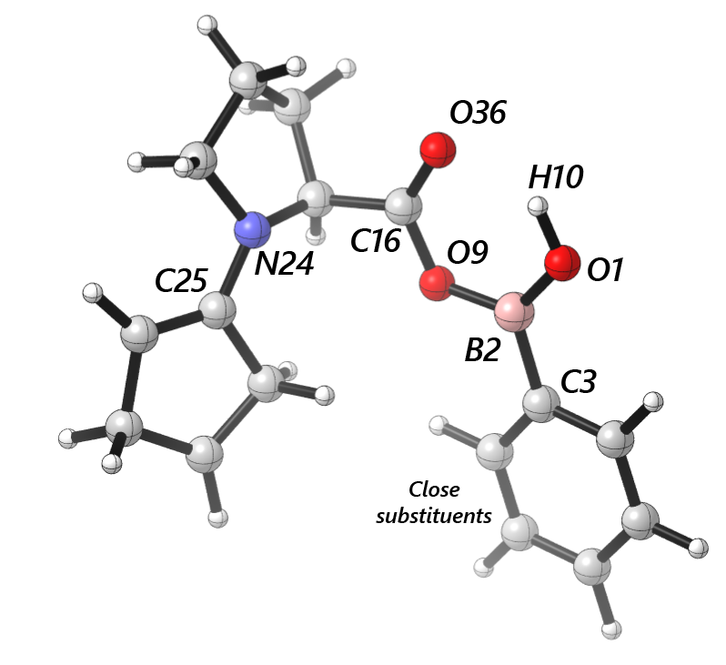
 | cross | para | -1-2- | -2-3- | -2-9- | -9-16- | -1-10- | -16-36- | -24-25- | Dist(1, 2) | Dist(2, 3) | Dist(2, 9) | Dist(9, 16) | Dist(1, 10) | Dist(16, 36) | Dist(24, 25) | Dist(10, 36) | dip_x | dip_y | dip_z | Total | NBO O 1 | NBO B 2 | NBO C 3 | NBO O 9 | NBO H 10 | NBO C 16 | NBO O 36 | NBO N 24 | NBO C 25 | diff O1 B2 | diff B2 C3 | diff B2 O9 | diff O1 H10 | diff O9 C16 | diff C16 O36 | diff N24 C25 | B1 | B5 | L
Ph | 1676.7141 | 1646.3055 | 1438.5317 | 1646.3055 | 1438.5317 | 1824.8736 | 3752.5454 | 1824.8736 | 1425.3813 | 1.344072958 | 1.554677957 | 1.413283851 | 1.340569354 | 0.969373173 | 1.204677563 | 1.383837304 | 1.917302394 | 1.1342 | 0.5747 | -1.603 | 2.0461 | -0.44806 | 0.57046 | -0.20222 | -0.36703 | 0.25919 | 0.41941 | -0.29924 | -0.20677 | 0.09762 | 1.01852 | 0.77268 | 0.93749 | 0.70725 | 0.78644 | 0.71865 | 0.30439 | 1.7 | 3.19 | 6.83
3-F | 1683.5364 | 1657.8848 | 1429.1413 | 1657.8848 | 1429.1413 | 1827.2635 | 3748.9716 | 1827.2635 | 1423.5263 | 1.342828764 | 1.557738711 | 1.410336784 | 1.342647601 | 0.969604181 | 1.20410127 | 1.384745726 | 1.921345367 | 1.431 | -0.4701 | -0.7831 | 1.6977 | -0.44678 | 0.57163 | -0.18893 | -0.36732 | 0.25962 | 0.41951 | -0.29845 | -0.20695 | 0.09694 | 1.01841 | 0.76056 | 0.93895 | 0.7064 | 0.78683 | 0.71796 | 0.30389 | 1.7 | 3.66 | 6.84
3-CH3 | 1677.698 | 1653.0722 | 1422.7963 | 1653.0722 | 1422.7963 | 1824.27 | 3752.8456 | 1824.27 | 1426.8575 | 1.344165613 | 1.554359521 | 1.413981688 | 1.339867807 | 0.969286244 | 1.204731712 | 1.383975099 | 1.920682918 | 0.9544 | 1.1392 | -1.6933 | 2.2529 | -0.44808 | 0.57101 | -0.19855 | -0.36683 | 0.25899 | 0.41938 | -0.29944 | -0.20673 | 0.09785 | 1.01909 | 0.76956 | 0.93784 | 0.70707 | 0.78621 | 0.71882 | 0.30458 | 1.73 | 4.35 | 6.82
3-CF3 | 1707.2529 | 1645.0543 | 1445.2482 | 1378.3321 | 1445.2482 | 1824.6994 | 3749.8988 | 1824.6994 | 1424.866 | 1.344045092 | 1.55398268 | 1.413009638 | 1.340277505 | 0.969468293 | 1.204641033 | 1.384113512 | 1.920931224 | 0.8898 | 1.1933 | -1.5489 | 2.1482 | -0.45121 | 0.57289 | -0.18114 | -0.37087 | 0.25965 | 0.42027 | -0.29946 | -0.20679 | 0.09738 | 1.0241 | 0.75403 | 0.94376 | 0.71086 | 0.79114 | 0.71973 | 0.30417 | 1.7 | 4.33 | 8.96
3,5-F | 1685.7117 | 1663.1288 | 1430.6893 | 1378.0302 | 1430.6893 | 1828.487 | 3746.8292 | 1828.487 | 1421.5851 | 1.342516077 | 1.558461088 | 1.407881954 | 1.34382548 | 0.969796454 | 1.203774102 | 1.385960483 | 1.926548518 | 1.931 | -1.0604 | -0.2876 | 2.2217 | -0.44712 | 0.57118 | -0.19648 | -0.36735 | 0.26021 | 0.41977 | -0.29796 | -0.20709 | 0.0964 | 1.0183 | 0.76766 | 0.93853 | 0.70733 | 0.78712 | 0.71773 | 0.30349 | 1.95 | 4.84 | 7.41
3,5-Ome | 1692.8036 | 1668.8748 | 1446.2491 | 1492.8666 | 1446.2491 | 1829.5526 | 3750.4662 | 1829.5526 | 1423.4965 | 1.341676404 | 1.560524772 | 1.407618348 | 1.344524664 | 0.96978618 | 1.20357082 | 1.385151846 | 1.923325055 | 2.9336 | -0.1022 | -1.528 | 3.3092 | -0.44596 | 0.57214 | -0.17632 | -0.36746 | 0.26025 | 0.41949 | -0.29739 | -0.207 | 0.09661 | 1.0181 | 0.74846 | 0.9396 | 0.70621 | 0.78695 | 0.71688 | 0.30361 | 1.7 | 3.72 | 6.84
2-Napht | 1663.9784 | 1674.1644 | 1385.208 | 1439.2032 | 1439.2032 | 1823.3855 | 3747.7783 | 1823.3855 | 1425.4363 | 1.344469657 | 1.556478912 | 1.411998387 | 1.340129517 | 0.969576705 | 1.204944231 | 1.384356083 | 1.916087329 | -0.2447 | 0.3752 | 0.8151 | 0.9301 | -0.44896 | 0.57227 | -0.17868 | -0.36641 | 0.25917 | 0.41973 | -0.29988 | -0.20688 | 0.0977 | 1.02123 | 0.75095 | 0.93868 | 0.70813 | 0.78614 | 0.71961 | 0.30458 | 1.89 | 5.36 | 7.58
2-F | 1687.7353 | 1648.6292 | 1431.5367 | 1648.6292 | 1431.5367 | 1824.8679 | 3742.7499 | 1824.8679 | 1426.1944 | 1.344629437 | 1.560451383 | 1.404407438 | 1.341821212 | 0.969949417 | 1.204692998 | 1.384412158 | 1.911302875 | 0.1651 | 0.3182 | -0.7009 | 0.7873 | -0.4488 | 0.57088 | -0.23253 | -0.36338 | 0.26009 | 0.42021 | -0.29952 | -0.20723 | 0.09829 | 1.01968 | 0.80341 | 0.93426 | 0.70889 | 0.78359 | 0.71973 | 0.30552 | 1.71 | 3.7 | 6.85
2-CH3 | 1672.8149 | 1640.2631 | 1423.0382 | 1423.0382 | 1387.5637 | 1826.7439 | 3748.2664 | 1826.7439 | 1440.0249 | 1.346881759 | 1.560404779 | 1.411956499 | 1.343418078 | 0.969262906 | 1.203366588 | 1.376071545 | 1.908576492 | -1.1951 | -2.4224 | 0.2836 | 2.716 | -0.45017 | 0.56911 | -0.20573 | -0.36991 | 0.25942 | 0.42 | -0.29895 | -0.20713 | 0.09892 | 1.01928 | 0.77484 | 0.93902 | 0.70959 | 0.78991 | 0.71895 | 0.30605 | 1.77 | 4.27 | 6.82
2,4-Me | 1630.5529 | 1682.5557 | 1426.0441 | 1682.5557 | 1426.0441 | 1823.9276 | 3751.412 | 1823.9276 | 1438.0849 | 1.346307612 | 1.557061301 | 1.415494735 | 1.340668488 | 0.969156808 | 1.204782629 | 1.37866295 | 1.906434579 | 0.3103 | 0.4193 | -2.2913 | 2.3498 | -0.44641 | 0.57103 | -0.21295 | -0.37149 | 0.25891 | 0.4212 | -0.29699 | -0.20829 | 0.0992 | 1.01744 | 0.78398 | 0.94252 | 0.70532 | 0.79269 | 0.71819 | 0.30749 | 1.79 | 4.27 | 7.76
4-F | 1677.0976 | 1657.7234 | 1430.6759 | 1657.7234 | 1455.8974 | 1826.1557 | 3749.259 | 1826.1557 | 1424.2545 | 1.344179886 | 1.552779067 | 1.412470682 | 1.341452964 | 0.969418742 | 1.204349036 | 1.384087266 | 1.920150923 | 2.466 | -0.0291 | -1.5968 | 2.938 | -0.44794 | 0.57098 | -0.2113 | -0.36724 | 0.25942 | 0.4193 | -0.29882 | -0.20682 | 0.09728 | 1.01892 | 0.78228 | 0.93822 | 0.70736 | 0.78654 | 0.71812 | 0.3041 | 1.7 | 3.18 | 7.41
4-Me | 1684.0944 | 1632.5884 | 1429.8246 | 1632.5884 | 1451.7895 | 1823.4842 | 3750.5998 | 1823.4842 | 1424.8708 | 1.344712573 | 1.551972762 | 1.414568721 | 1.339646827 | 0.969257054 | 1.204866716 | 1.38368079 | 1.919283496 | 0.548 | 0.9758 | -1.6348 | 1.9812 | -0.44817 | 0.57091 | -0.20843 | -0.36676 | 0.2588 | 0.41926 | -0.29966 | -0.20674 | 0.0978 | 1.01908 | 0.77934 | 0.93767 | 0.70697 | 0.78602 | 0.71892 | 0.30454 | 1.82 | 3.18 | 7.77
4-Ome | 1677.6754 | 1636.9313 | 1431.0272 | 1636.9313 | 1431.0272 | 1822.2061 | 3754.006 | 1822.2061 | 1425.0437 | 1.345907552 | 1.547566179 | 1.415836069 | 1.33888537 | 0.969134681 | 1.205105281 | 1.383585894 | 1.918988506 | -0.2576 | 0.3168 | -0.8001 | 0.8983 | -0.44903 | 0.56975 | -0.22109 | -0.36662 | 0.25863 | 0.41922 | -0.30014 | -0.20674 | 0.09782 | 1.01878 | 0.79084 | 0.93637 | 0.70766 | 0.78584 | 0.71936 | 0.30456 | 1.78 | 3.2 | 8.88
4-t-Bu | 1683.4881 | 1625.0842 | 1453.3785 | 1625.0842 | 1453.3785 | 1823.8781 | 3754.2302 | 1823.8781 | 1425.3846 | 1.344666371 | 1.551938435 | 1.414590657 | 1.339639556 | 0.969254749 | 1.204886306 | 1.383671558 | 1.918277883 | 0.4323 | 1.07 | -1.5706 | 1.949 | -0.4483 | 0.57074 | -0.2072 | -0.36659 | 0.25893 | 0.41936 | -0.29959 | -0.20673 | 0.09783 | 1.01904 | 0.77794 | 0.93733 | 0.70723 | 0.78595 | 0.71895 | 0.30456 | 2.76 | 3.19 | 9
4-CF3 | 1694.8577 | 1645.1791 | 1432.2691 | 1645.1791 | 1432.2691 | 1829.4582 | 3748.4609 | 1829.4582 | 1423.8337 | 1.342385769 | 1.559648407 | 1.408747044 | 1.344048325 | 0.969715348 | 1.203681963 | 1.384826719 | 1.920985476 | 4.0055 | -0.3435 | -1.5643 | 4.3139 | -0.44675 | 0.57101 | -0.19067 | -0.36756 | 0.26021 | 0.41952 | -0.29756 | -0.20694 | 0.09675 | 1.01776 | 0.76168 | 0.93857 | 0.70696 | 0.78708 | 0.71708 | 0.30369 | 2.11 | 3.18 | 8.12

Enamine - far
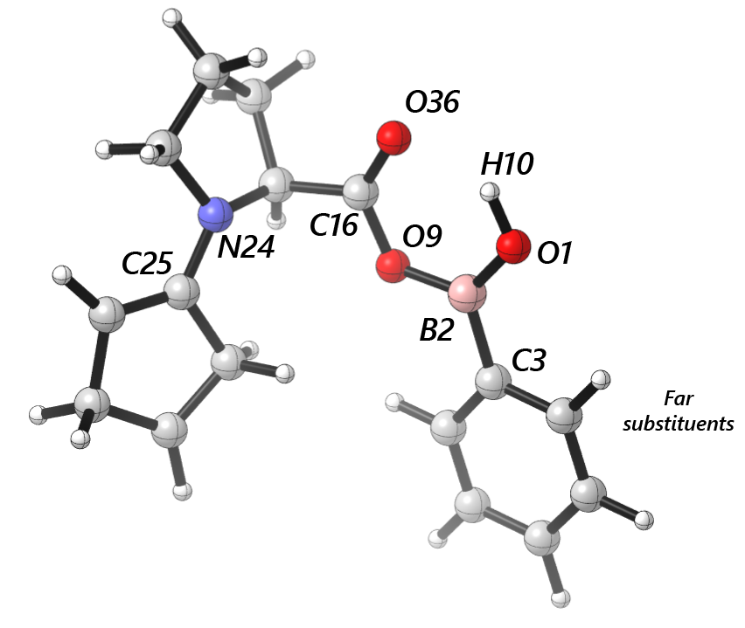
 | cross | para | -1-2- | -2-3- | -2-9- | -9-16- | -1-10- | -16-36- | -24-25- | Dist(1, 2) | Dist(2, 3) | Dist(2, 9) | Dist(9, 16) | Dist(1, 10) | Dist(16, 36) | Dist(24, 25) | Dist(10, 36) | dip_x | dip_y | dip_z | Total | NBO O 1 | NBO B 2 | NBO C 3 | NBO O 9 | NBO H 10 | NBO C 16 | NBO O 36 | NBO N 24 | NBO C 25 | diff O1 B2 | diff B2 C3 | diff B2 O9 | diff O1 H10 | diff O9 C16 | diff C16 O36 | diff N24 C25 | B1 | B5 | L
Ph | 1676.7141 | 1646.3055 | 1438.5317 | 1646.3055 | 1438.5317 | 1824.8736 | 3752.5454 | 1824.8736 | 1425.3813 | 1.344072958 | 1.554677957 | 1.413283851 | 1.340569354 | 0.969373173 | 1.204677563 | 1.383837304 | 1.917302394 | 1.1342 | 0.5747 | -1.603 | 2.0461 | -0.44806 | 0.57046 | -0.20222 | -0.36703 | 0.25919 | 0.41941 | -0.29924 | -0.20677 | 0.09762 | 1.01852 | 0.77268 | 0.93749 | 0.70725 | 0.78644 | 0.71865 | 0.30439 | 1.7 | 3.19 | 6.83
3-F | 1683.7322 | 1657.8183 | 1443.4376 | 1480.0421 | 1443.4376 | 1827.6105 | 3748.9196 | 1827.6105 | 1424.8469 | 1.342885687 | 1.557688816 | 1.410299917 | 1.342511449 | 0.96952588 | 1.204075301 | 1.384298345 | 1.921178293 | 2.7603 | 0.829 | -2.3392 | 3.7119 | -0.44666 | 0.5716 | -0.18925 | -0.36723 | 0.2596 | 0.41938 | -0.2982 | -0.20683 | 0.09728 | 1.01826 | 0.76085 | 0.93883 | 0.70626 | 0.78661 | 0.71758 | 0.30411 | 1.7 | 3.74 | 6.84
3-CH3 | 1653.1615 | 1678.2044 | 1442.0597 | 1459.4881 | 1442.0597 | 1824.0479 | 3749.7281 | 1824.0479 | 1425.7329 | 1.344375908 | 1.554353431 | 1.413797208 | 1.339992862 | 0.969355502 | 1.204827175 | 1.383747662 | 1.917567168 | 0.8156 | 0.5407 | -1.3579 | 1.6737 | -0.4483 | 0.57087 | -0.19852 | -0.36684 | 0.25897 | 0.41943 | -0.29959 | -0.20676 | 0.09775 | 1.01917 | 0.76939 | 0.93771 | 0.70727 | 0.78627 | 0.71902 | 0.30451 | 1.76 | 4.42 | 6.82
3-CF3 | 1676.1832 | 1706.9479 | 1439.9951 | 1644.1204 | 1439.9951 | 1824.8624 | 3753.9104 | 1824.8624 | 1424.4243 | 1.34430774 | 1.554237823 | 1.413148815 | 1.340847313 | 0.969283214 | 1.204555286 | 1.38404781 | 1.919540774 | 1.0246 | 0.7235 | -1.3386 | 1.8344 | -0.452 | 0.57293 | -0.18401 | -0.37062 | 0.26002 | 0.42018 | -0.29947 | -0.20683 | 0.09729 | 1.02493 | 0.75694 | 0.94355 | 0.71202 | 0.7908 | 0.71965 | 0.30412 | 1.7 | 4.44 | 8.93
3,5-F | 1662.355 | 1686.1906 | 1449.7991 | 1484.7938 | 1449.7991 | 1829.8596 | 3749.965 | 1829.8596 | 1423.9331 | 1.342163024 | 1.55840014 | 1.409171896 | 1.34383588 | 0.969580281 | 1.20359528 | 1.38448311 | 1.924614967 | 4.3361 | 0.903 | -2.6239 | 5.148 | -0.44624 | 0.57089 | -0.19642 | -0.36778 | 0.26009 | 0.41942 | -0.2972 | -0.20686 | 0.09692 | 1.01713 | 0.76731 | 0.93867 | 0.70633 | 0.7872 | 0.71662 | 0.30378 | 1.93 | 4.94 | 6.96
3,5-Ome | 1692.8036 | 1668.8748 | 1446.2491 | 1492.8666 | 1446.2491 | 1829.5526 | 3750.4662 | 1829.5526 | 1423.4965 | 1.341676404 | 1.560524772 | 1.407618348 | 1.344524664 | 0.96978618 | 1.20357082 | 1.385151846 | 1.923325055 | 2.9336 | -0.1022 | -1.528 | 3.3092 | -0.44596 | 0.57214 | -0.17632 | -0.36746 | 0.26025 | 0.41949 | -0.29739 | -0.207 | 0.09661 | 1.0181 | 0.74846 | 0.9396 | 0.70621 | 0.78695 | 0.71688 | 0.30361 | 1.7 | 3.72 | 6.84
2-Napht | 1663.9784 | 1674.1644 | 1385.208 | 1439.2032 | 1439.2032 | 1823.3855 | 3747.7783 | 1823.3855 | 1425.4363 | 1.344469657 | 1.556478912 | 1.411998387 | 1.340129517 | 0.969576705 | 1.204944231 | 1.384356083 | 1.916087329 | -0.2447 | 0.3752 | 0.8151 | 0.9301 | -0.44896 | 0.57227 | -0.17868 | -0.36641 | 0.25917 | 0.41973 | -0.29988 | -0.20688 | 0.0977 | 1.02123 | 0.75095 | 0.93868 | 0.70813 | 0.78614 | 0.71961 | 0.30458 | 1.89 | 5.36 | 7.58
2-F | 1687.0717 | 1647.7255 | 1444.8156 | 1647.7255 | 1444.8156 | 1826.8501 | 3748.3188 | 1826.8501 | 1425.586 | 1.338836595 | 1.560637463 | 1.414534895 | 1.341233572 | 0.969726753 | 1.204182929 | 1.383942641 | 1.914482881 | 1.3433 | 1.768 | -2.3703 | 3.2478 | -0.43916 | 0.56752 | -0.23221 | -0.36716 | 0.25773 | 0.41913 | -0.2966 | -0.20669 | 0.09732 | 1.00668 | 0.79973 | 0.93468 | 0.69689 | 0.78629 | 0.71573 | 0.30401 | 1.7 | 3.7 | 6.85
2-CH3 | 1673.6755 | 1639.2993 | 1430.2535 | 1639.2993 | 1430.2535 | 1819.8242 | 3723.9106 | 1819.8242 | 1424.7966 | 1.344895329 | 1.558946321 | 1.417909157 | 1.338357936 | 0.970716716 | 1.205619168 | 1.383816236 | 1.886370922 | 1.2121 | 0.5449 | -1.2389 | 1.8169 | -0.45357 | 0.56903 | -0.20591 | -0.36597 | 0.26123 | 0.4197 | -0.30043 | -0.20681 | 0.09754 | 1.0226 | 0.77494 | 0.935 | 0.7148 | 0.78567 | 0.72013 | 0.30435 | 1.74 | 4.31 | 6.83
2,4-Me | 1681.3175 | 1627.1706 | 1409.6789 | 1627.1706 | 1409.6789 | 1818.443 | 3722.8371 | 1818.443 | 1427.1159 | 1.345583 | 1.555864327 | 1.419440578 | 1.337434425 | 0.970641608 | 1.205869539 | 1.383462461 | 1.886136013 | 0.7166 | 0.8367 | -1.3878 | 1.7719 | -0.4508 | 0.56937 | -0.21084 | -0.36717 | 0.25977 | 0.42001 | -0.30118 | -0.20679 | 0.09792 | 1.02017 | 0.78021 | 0.93654 | 0.71057 | 0.78718 | 0.72119 | 0.30471 | 1.86 | 4.31 | 7.77
4-F | 1677.0976 | 1657.7234 | 1430.6759 | 1657.7234 | 1455.8974 | 1826.1557 | 3749.259 | 1826.1557 | 1424.2545 | 1.344179886 | 1.552779067 | 1.412470682 | 1.341452964 | 0.969418742 | 1.204349036 | 1.384087266 | 1.920150923 | 2.466 | -0.0291 | -1.5968 | 2.938 | -0.44794 | 0.57098 | -0.2113 | -0.36724 | 0.25942 | 0.4193 | -0.29882 | -0.20682 | 0.09728 | 1.01892 | 0.78228 | 0.93822 | 0.70736 | 0.78654 | 0.71812 | 0.3041 | 1.7 | 3.18 | 7.41
4-Me | 1684.0944 | 1632.5884 | 1429.8246 | 1632.5884 | 1451.7895 | 1823.4842 | 3750.5998 | 1823.4842 | 1424.8708 | 1.344712573 | 1.551972762 | 1.414568721 | 1.339646827 | 0.969257054 | 1.204866716 | 1.38368079 | 1.919283496 | 0.548 | 0.9758 | -1.6348 | 1.9812 | -0.44817 | 0.57091 | -0.20843 | -0.36676 | 0.2588 | 0.41926 | -0.29966 | -0.20674 | 0.0978 | 1.01908 | 0.77934 | 0.93767 | 0.70697 | 0.78602 | 0.71892 | 0.30454 | 1.82 | 3.18 | 7.77
4-Ome | 1677.6754 | 1636.9313 | 1431.0272 | 1636.9313 | 1431.0272 | 1822.2061 | 3754.006 | 1822.2061 | 1425.0437 | 1.345907552 | 1.547566179 | 1.415836069 | 1.33888537 | 0.969134681 | 1.205105281 | 1.383585894 | 1.918988506 | -0.2576 | 0.3168 | -0.8001 | 0.8983 | -0.44903 | 0.56975 | -0.22109 | -0.36662 | 0.25863 | 0.41922 | -0.30014 | -0.20674 | 0.09782 | 1.01878 | 0.79084 | 0.93637 | 0.70766 | 0.78584 | 0.71936 | 0.30456 | 1.78 | 3.2 | 8.88
4-t-Bu | 1683.4881 | 1625.0842 | 1453.3785 | 1625.0842 | 1453.3785 | 1823.8781 | 3754.2302 | 1823.8781 | 1425.3846 | 1.344666371 | 1.551938435 | 1.414590657 | 1.339639556 | 0.969254749 | 1.204886306 | 1.383671558 | 1.918277883 | 0.4323 | 1.07 | -1.5706 | 1.949 | -0.4483 | 0.57074 | -0.2072 | -0.36659 | 0.25893 | 0.41936 | -0.29959 | -0.20673 | 0.09783 | 1.01904 | 0.77794 | 0.93733 | 0.70723 | 0.78595 | 0.71895 | 0.30456 | 2.76 | 3.19 | 9
4-CF3 | 1694.8577 | 1645.1791 | 1432.2691 | 1645.1791 | 1432.2691 | 1829.4582 | 3748.4609 | 1829.4582 | 1423.8337 | 1.342385769 | 1.559648407 | 1.408747044 | 1.344048325 | 0.969715348 | 1.203681963 | 1.384826719 | 1.920985476 | 4.0055 | -0.3435 | -1.5643 | 4.3139 | -0.44675 | 0.57101 | -0.19067 | -0.36756 | 0.26021 | 0.41952 | -0.29756 | -0.20694 | 0.09675 | 1.01776 | 0.76168 | 0.93857 | 0.70696 | 0.78708 | 0.71708 | 0.30369 | 2.11 | 3.18 | 8.12

